UB Depletion Plot
Upper Colorado River System: UCRC and BOR Projected Depletion Demand Schedules and BOR consumptive Use Data
 | maxCRSS | minCRSS | maxUCRC | minUCRC | minall | BRUCR 1981 | BRUCR 1984 | CRSS-baseline scenario | CRSS-B scenario | CRSS-C1 scenario | CRSS-C2 scenario | CRSS-D1 scenario
 |  |  |  |  |  | 3.46
 |  |  |  |  |  | 3.54
 |  |  |  |  |  | 3.62
 |  |  |  |  |  | 3.69 | 3.49
 |  |  |  |  |  | 3.77 | 3.58
 |  |  |  |  |  | 3.84 | 3.66
 |  |  |  |  |  | 3.92 | 3.75
 |  |  |  |  |  | 4.00 | 3.84
 |  |  |  |  |  | 4.07 | 3.92
 |  |  |  |  |  | 4.15 | 4.01
 |  |  |  |  |  | 4.23 | 4.10
 |  |  |  |  |  | 4.28 | 4.16
 |  |  |  |  |  | 4.34 | 4.21
 |  |  |  |  |  | 4.40 | 4.27
 |  |  |  |  |  | 4.45 | 4.33
 |  |  |  |  |  | 4.51 | 4.39
 |  |  |  |  |  | 4.57 | 4.45
 |  |  |  |  |  | 4.62 | 4.50
 |  |  |  |  |  | 4.68 | 4.56
 |  |  |  |  |  | 4.74 | 4.62
 |  |  | 3.96 | 3.96 | 3.96 | 4.80 | 4.68
 |  |  | 3.99 | 3.99 | 3.989 | 4.83 | 4.70
 |  |  | 4.27 | 4.02 | 4.019 | 4.86 | 4.72
 |  |  | 4.32 | 4.05 | 4.048 | 4.89 | 4.73
 |  |  | 4.37 | 4.08 | 4.078 | 4.93 | 4.75
 |  |  | 4.45 | 4.11 | 4.107 | 4.96 | 4.77
 |  |  | 4.48 | 4.14 | 4.137 | 4.99 | 4.79
 |  |  | 4.51 | 4.17 | 4.167 | 5.02 | 4.81
 |  |  | 4.54 | 4.20 | 4.196 | 5.06 | 4.83
 |  |  | 4.58 | 4.23 | 4.226 | 5.09 | 4.85
 |  |  | 4.80 | 4.37 | 4.374 | 5.12 | 4.87
 | 4.70 | 4.60 | 4.82 | 4.39 | 4.392 |  | 4.88 | 4.70 | 4.60 | 4.70 | 4.70 | 4.70
 | 4.72 | 4.62 | 4.85 | 4.41 | 4.41 |  | 4.90 | 4.71 | 4.62 | 4.72 | 4.71 | 4.71
 | 4.74 | 4.63 | 4.87 | 4.43 | 4.428 |  | 4.91 | 4.72 | 4.63 | 4.74 | 4.72 | 4.71
 | 4.75 | 4.64 | 4.89 | 4.45 | 4.446 |  | 4.92 | 4.73 | 4.64 | 4.75 | 4.73 | 4.72
 | 4.77 | 4.66 | 4.91 | 4.46 | 4.464 |  | 4.94 | 4.74 | 4.66 | 4.77 | 4.74 | 4.72
 | 4.79 | 4.68 | 4.94 | 4.48 | 4.482 |  | 4.95 | 4.77 | 4.68 | 4.79 | 4.76 | 4.73
 | 4.82 | 4.70 | 4.96 | 4.50 | 4.5 |  | 4.96 | 4.79 | 4.70 | 4.82 | 4.78 | 4.74
 | 4.85 | 4.71 | 4.98 | 4.52 | 4.518 |  | 4.98 | 4.82 | 4.71 | 4.85 | 4.81 | 4.76
 | 4.87 | 4.73 | 5.00 | 4.54 | 4.536 |  | 4.99 | 4.84 | 4.73 | 4.87 | 4.83 | 4.77
...

CRSP Reservoir Evaporation Plot
Upper Colorado River System: UCRC and BOR Projected, Historical CRSP Net Evaporation and Gross CRSP Evaporation
 | BRUCR 1981 | BRUCR 1984 | UCRC 2016 | UCRC 1999 | UCRC 2007 schedule B | Observed | HisDataPowellGrossRate | CRSS 2007 RATE | With Periodic Net Evap Rate
 |  |  |  |  |  | 0.44 | 0.66 | 0.48 | 0.47
 |  |  |  |  |  | 0.45 | 0.66 | 0.49 | 0.47
 |  |  |  |  |  | 0.50 | 0.73 | 0.53 | 0.53
 |  |  |  |  |  | 0.59 | 0.82 | 0.60 | 0.61
 |  |  |  |  |  | 0.61 | 0.85 | 0.62 | 0.64
 |  |  |  |  |  | 0.63 | 0.86 | 0.63 | 0.65
 |  |  |  |  |  | 0.54 | 0.76 | 0.55 | 0.56
 |  |  |  |  |  | 0.52 | 0.74 | 0.54 | 0.54
 |  |  |  |  |  | 0.61 | 0.85 | 0.61 | 0.65
 | 0.52 |  |  |  |  | 0.69 | 0.94 | 0.68 | 0.72
 | 0.52 |  |  |  |  | 0.65 | 0.89 | 0.65 | 0.67
 | 0.52 |  |  |  |  | 0.67 | 0.92 | 0.66 | 0.70
 | 0.52 | 0.52 |  |  |  | 0.73 | 0.99 | 0.72 | 0.77
 | 0.52 | 0.52 |  |  |  | 0.71 | 0.97 | 0.70 | 0.75
 | 0.52 | 0.52 |  |  |  | 0.70 | 0.96 | 0.69 | 0.74
 | 0.52 | 0.52 |  |  |  | 0.71 | 0.96 | 0.70 | 0.74
 | 0.52 | 0.52 |  |  |  | 0.70 | 0.96 | 0.69 | 0.74
 | 0.52 | 0.52 |  |  |  | 0.69 | 0.94 | 0.68 | 0.72
 | 0.52 | 0.52 |  |  |  | 0.63 | 0.87 | 0.63 | 0.66
 | 0.52 | 0.52 |  |  |  | 0.55 | 0.77 | 0.57 | 0.57
 | 0.52 | 0.52 |  |  |  | 0.51 | 0.73 | 0.54 | 0.53
 | 0.52 | 0.52 |  |  |  | 0.49 | 0.71 | 0.52 | 0.51
 | 0.52 | 0.52 |  |  |  | 0.57 | 0.81 | 0.58 | 0.61
 | 0.52 | 0.52 |  |  |  | 0.59 | 0.82 | 0.60 | 0.61
 | 0.52 | 0.52 |  |  |  | 0.65 | 0.90 | 0.65 | 0.69
 | 0.52 | 0.52 |  |  |  | 0.67 | 0.92 | 0.67 | 0.70
 | 0.52 | 0.52 |  |  |  | 0.68 | 0.94 | 0.68 | 0.72
 | 0.52 | 0.52 |  |  |  | 0.70 | 0.95 | 0.69 | 0.73
 | 0.52 | 0.52 |  |  |  | 0.70 | 0.95 | 0.69 | 0.73
 | 0.52 | 0.52 |  |  |  | 0.66 | 0.91 | 0.66 | 0.69
 | 0.52 | 0.52 |  |  |  | 0.62 | 0.85 | 0.62 | 0.64
 | 0.52 | 0.52 |  | 0.57 |  | 0.51 | 0.73 | 0.54 | 0.53
 | 0.52 | 0.52 |  | 0.57 |  | 0.43 | 0.64 | 0.47 | 0.45
 | 0.52 | 0.52 |  | 0.57 |  | 0.36 | 0.56 | 0.41 | 0.38
 | 0.52 | 0.52 |  | 0.57 |  | 0.39 | 0.60 | 0.44 | 0.43
 | 0.52 | 0.52 |  | 0.57 |  | 0.44 | 0.64 | 0.47 | 0.45
 | 0.52 | 0.52 |  | 0.57 |  | 0.45 | 0.64 | 0.47 | 0.45
 | 0.52 | 0.52 |  | 0.57 |  | 0.50 | 0.68 | 0.50 | 0.49
 | 0.52 | 0.52 |  | 0.57 |  | 0.53 | 0.73 | 0.53 | 0.53
 | 0.52 | 0.52 |  | 0.57 | 0.25 | 0.53 | 0.73 | 0.53 | 0.53
 |  | 0.52 |  | 0.57 | 0.25 | 0.57 | 0.77 | 0.56 | 0.57
 |  | 0.52 |  | 0.57 | 0.25 | 0.52 | 0.71 | 0.52 | 0.52
 |  | 0.52 |  | 0.57 | 0.25 | 0.42 | 0.61 | 0.45 | 0.42
 |  | 0.52 |  | 0.57 | 0.25 | 0.44 | 0.62 | 0.46 | 0.44
 |  | 0.52 |  | 0.57 | 0.25 | 0.46 | 0.65 | 0.48 | 0.46
 |  | 0.52 |  | 0.57 | 0.25 | 0.47 | 0.65 | 0.48 | 0.47
 |  | 0.52 |  | 0.57 | 0.25 | 0.51 | 0.70 | 0.51 | 0.51
 |  | 0.52 |  | 0.57 | 0.25 | 0.45 | 0.64 | 0.47 | 0.45
 |  | 0.52 |  | 0.57 | 0.25
...

Lake Powell Evap
Historical Lake Powell Gross Evaporation with Different Estimated Rate
 | medium | CU&L | 2007 Interiem Guideline
1970
1971 | 0.58 | 0.37 | 0.40
1972 | 0.57 | 0.36 | 0.40
1973 | 0.64 | 0.42 | 0.44
1974 | 0.73 | 0.50 | 0.51
1975 | 0.76 | 0.52 | 0.53
1976 | 0.77 | 0.53 | 0.54
1977 | 0.69 | 0.47 | 0.48
1978 | 0.67 | 0.44 | 0.46
1979 | 0.78 | 0.54 | 0.54
1980 | 0.86 | 0.61 | 0.60
1981 | 0.81 | 0.57 | 0.56
1982 | 0.83 | 0.58 | 0.58
1983 | 0.90 | 0.64 | 0.62
1984 | 0.88 | 0.62 | 0.61
1985 | 0.87 | 0.61 | 0.60
1986 | 0.87 | 0.62 | 0.61
1987 | 0.87 | 0.61 | 0.60
1988 | 0.86 | 0.60 | 0.60
1989 | 0.79 | 0.55 | 0.55
1990 | 0.69 | 0.46 | 0.48
1991 | 0.64 | 0.42 | 0.45
1992 | 0.62 | 0.40 | 0.43
1993 | 0.72 | 0.48 | 0.49
1994 | 0.74 | 0.50 | 0.51
1995 | 0.81 | 0.56 | 0.56
1996 | 0.83 | 0.58 | 0.58
1997 | 0.84 | 0.59 | 0.59
1998 | 0.86 | 0.61 | 0.60
1999 | 0.86 | 0.61 | 0.60
2000 | 0.82 | 0.58 | 0.57
2001 | 0.77 | 0.53 | 0.54
2002 | 0.66 | 0.44 | 0.46
2003 | 0.56 | 0.35 | 0.39
2004 | 0.48 | 0.28 | 0.34
2005 | 0.52 | 0.31 | 0.36
2006 | 0.55 | 0.36 | 0.38
2007 | 0.55 | 0.37 | 0.38
2008 | 0.60 | 0.41 | 0.41
2009 | 0.64 | 0.44 | 0.44
2010 | 0.64 | 0.44 | 0.44
2011 | 0.68 | 0.48 | 0.47
2012 | 0.63 | 0.43 | 0.44
2013 | 0.53 | 0.34 | 0.37
2014 | 0.54 | 0.36 | 0.37
2015 | 0.55 | 0.37 | 0.38
2016 | 0.57 | 0.38 | 0.39
2017 | 0.61 | 0.42 | 0.42
2018 | 0.55 | 0.36 | 0.38
2019
...
 | Historical CRSP evap from CU&L | Medium Gross Evaporation Rate | Lowest Gross Evaporation Rate | Highest Gross Evaporation Rate | Evaporation Rate from CRSS | PeriodicNetEvapCRSS | Rate in 2007 Guidelines
Year | (MAF/per year) | (MAF/per year) | (MAF/per year) | (MAF/per year) | (MAF/per year) | (MAF/per year) | (MAF/per year)
1970
1971 | 0.37 | 0.58 | 0.42 | 0.79 | 0.40 | 0.39 | 0.40
1972 | 0.36 | 0.57 | 0.41 | 0.79 | 0.40 | 0.39 | 0.40
1973 | 0.42 | 0.64 | 0.46 | 0.87 | 0.44 | 0.45 | 0.44
1974 | 0.50 | 0.73 | 0.53 | 1.00 | 0.51 | 0.52 | 0.51
1975 | 0.52 | 0.76 | 0.54 | 1.03 | 0.53 | 0.55 | 0.53
1976 | 0.53 | 0.77 | 0.55 | 1.05 | 0.54 | 0.56 | 0.54
1977 | 0.47 | 0.69 | 0.50 | 0.95 | 0.48 | 0.49 | 0.48
1978 | 0.44 | 0.67 | 0.48 | 0.91 | 0.46 | 0.47 | 0.46
1979 | 0.54 | 0.78 | 0.56 | 1.06 | 0.54 | 0.57 | 0.54
1980 | 0.61 | 0.86 | 0.62 | 1.17 | 0.60 | 0.64 | 0.60
1981 | 0.57 | 0.81 | 0.58 | 1.11 | 0.56 | 0.59 | 0.56
1982 | 0.58 | 0.83 | 0.59 | 1.13 | 0.58 | 0.61 | 0.58
1983 | 0.64 | 0.90 | 0.65 | 1.23 | 0.62 | 0.68 | 0.62
1984 | 0.62 | 0.88 | 0.63 | 1.20 | 0.61 | 0.66 | 0.61
1985 | 0.61 | 0.87 | 0.62 | 1.18 | 0.60 | 0.65 | 0.60
1986 | 0.62 | 0.87 | 0.63 | 1.19 | 0.61 | 0.65 | 0.61
1987 | 0.61 | 0.87 | 0.63 | 1.19 | 0.60 | 0.65 | 0.60
1988 | 0.60 | 0.86 | 0.62 | 1.17 | 0.60 | 0.63 | 0.60
1989 | 0.55 | 0.79 | 0.57 | 1.08 | 0.55 | 0.58 | 0.55
1990 | 0.46 | 0.69 | 0.50 | 0.94 | 0.48 | 0.49 | 0.48
1991 | 0.42 | 0.64 | 0.46 | 0.87 | 0.45 | 0.44 | 0.45
1992 | 0.40 | 0.62 | 0.45 | 0.85 | 0.43 | 0.43 | 0.43
1993 | 0.48 | 0.72 | 0.51 | 0.98 | 0.49 | 0.52 | 0.49
1994 | 0.50 | 0.74 | 0.53 | 1.00 | 0.51 | 0.53 | 0.51
1995 | 0.56 | 0.81 | 0.58 | 1.10 | 0.56 | 0.60 | 0.56
1996 | 0.58 | 0.83 | 0.60 | 1.13 | 0.58 | 0.61 | 0.58
1997 | 0.59 | 0.84 | 0.61 | 1.15 | 0.59 | 0.63 | 0.59
1998 | 0.61 | 0.86 | 0.62 | 1.17 | 0.60 | 0.64 | 0.60
1999 | 0.61 | 0.86 | 0.62 | 1.17 | 0.60 | 0.64 | 0.60
2000 | 0.58 | 0.82 | 0.59 | 1.12 | 0.57 | 0.60 | 0.57
2001 | 0.53 | 0.77 | 0.55 | 1.05 | 0.54 | 0.56 | 0.54
2002 | 0.44 | 0.66 | 0.47 | 0.90 | 0.46 | 0.46 | 0.46
2003 | 0.35 | 0.56 | 0.41 | 0.77 | 0.39 | 0.38 | 0.39
2004 | 0.28 | 0.48 | 0.35 | 0.66 | 0.34 | 0.31 | 0.34
2005 | 0.31 | 0.52 | 0.37 | 0.71 | 0.36 | 0.34 | 0.36
2006 | 0.36 | 0.55 | 0.39 | 0.75 | 0.38 | 0.37 | 0.38
2007 | 0.37 | 0.55 | 0.40 | 0.75 | 0.38 | 0.37 | 0.38
2008 | 0.41 | 0.60 | 0.43 | 0.82 | 0.41 | 0.41 | 0.41
2009 | 0.44 | 0.64 | 0.46 | 0.87 | 0.44 | 0.44 | 0.44
2010 | 0.44 | 0.64 | 0.46 | 0.87 | 0.44 | 0.44 | 0.44
2011 | 0.48 | 0.68 | 0.48 | 0.92 | 0.47 | 0.48 | 0.47
2012 | 0.43 | 0.63 | 0.45 | 0.86 | 0.44 | 0.43 | 0.44
2013 | 0.34 | 0.53 | 0.38 | 0.72 | 0.37 | 0.34 | 0.37
2014 | 0.36 | 0.54 | 0.38 | 0.73 | 0.37 | 0.35 | 0.37
2015 | 0.37 | 0.55 | 0.40 | 0.76 | 0.38 | 0.37 | 0.38
2016 | 0.38 | 0.57 | 0.41 | 0.77 | 0.39 | 0.38 | 0.39
2017 | 0.42 | 0.61 | 0.44 | 0.83 | 0.42 | 0.42 | 0.42
2018 | 0.36 | 0.55 | 0.40 | 0.75 | 0.38 | 0.36 | 0.38
2019
2020
2021
2022
2023
2024
2025
2026
2027
2028
2029
2030
2031
2032
2033
2034
2035
2036
2037
2038
2039
2040
2041
2042
2043
2044
2045
2046
2047
2048
2049
2050
2051
2052
2053
2054
2055
2056
2057
2058
2059
2060

UCRC 1996
Year | Depletion (KAF/per year) | Guidance for this page
2000 | 3,960 | Data in Column B is from the following report.
2001 | 3,989 | There is no reservoir evaporation in the report
2002 | 4,019
2003 | 4,048 | Colorado River Interim Surplus Criteria, Draft Environmental Impact Statement
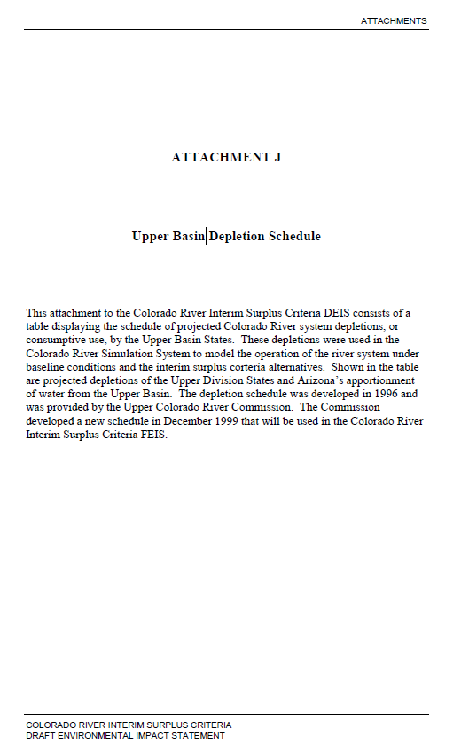
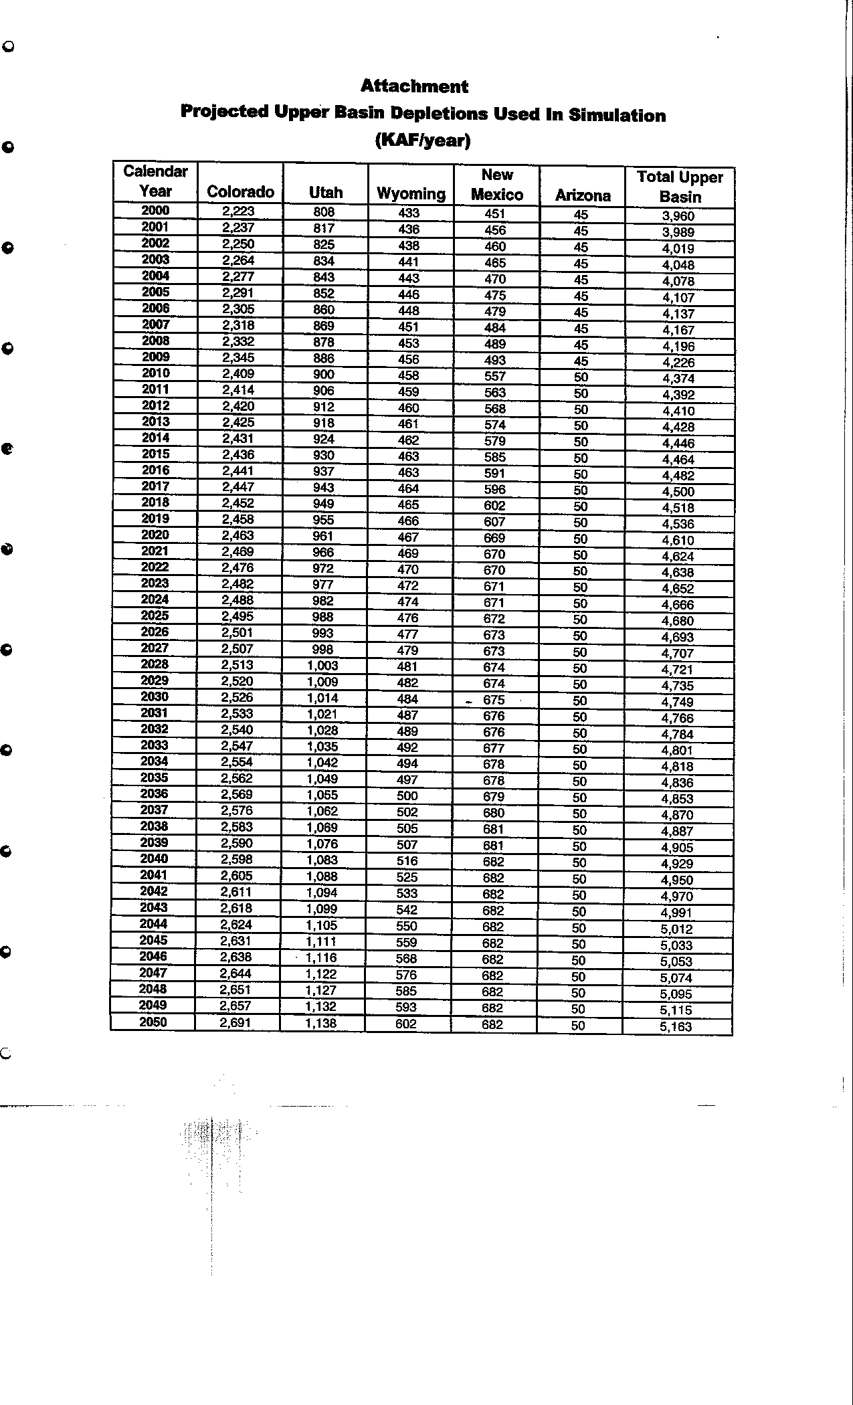
2004 | 4,078
2005 | 4,107
2006 | 4,137
2007 | 4,167
2008 | 4,196
2009 | 4,226
2010 | 4,374
2011 | 4,392
2012 | 4,410
2013 | 4,428
2014 | 4,446
2015 | 4,464
2016 | 4,482
2017 | 4,500
2018 | 4,518
2019 | 4,536
2020 | 4,610
2021 | 4,624
2022 | 4,638
2023 | 4,652
2024 | 4,666
2025 | 4,680
2026 | 4,693
2027 | 4,707
2028 | 4,721
2029 | 4,735
2030 | 4,749
2031 | 4,766
2032 | 4,784
2033 | 4,801
2034 | 4,818
2035 | 4,836
2036 | 4,853
2037 | 4,870
2038 | 4,887
2039 | 4,905
2040 | 4,929
2041 | 4,950
2042 | 4,970
2043 | 4,991
2044 | 5,012
2045 | 5,033
2046 | 5,053
2047 | 5,074
2048 | 5,095
2049 | 5,115
2050 | 5,163
2051
2052
2053
2054
2055
2056
2057
2058
2059
2060

UCRC 1999
 | Guidance for this page
 | Evaporation and total upper basin data are copied from "Colorado River Interim Surplus Criteria, FEIS"
 | Depletion is the gap between Total Upper basin and Evaporation

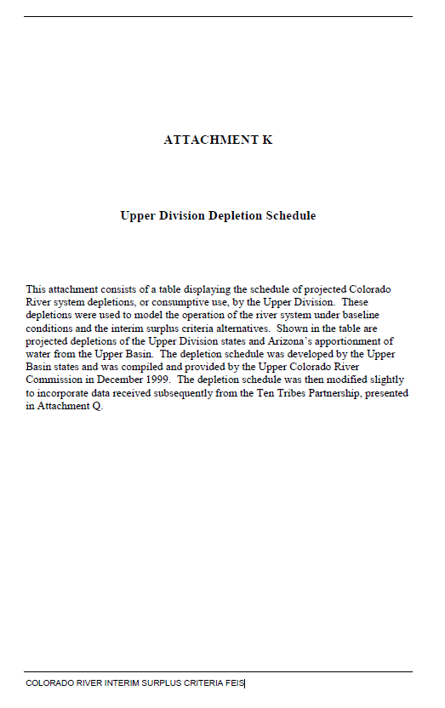
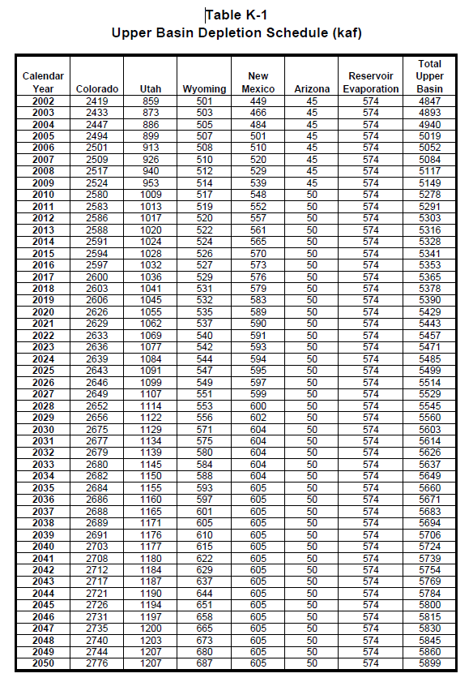
 | Depletion | Evaporation | Total Upper Basin |  | Colorado | Utah | Wyoming | New Mexico | Arizona | Reservoir Evaporation | Total Upper Basin
Year | (KAF/ per year) | (KAF/ per year) | (KAF/ per year) | Calendar Year | (KAF/ per year) | (KAF/ per year) | (KAF/ per year) | (KAF/ per year) | (KAF/ per year) | (KAF/ per year) | (KAF/ per year) | Colorado River Interim Surplus Criteria, FEIS
2002 | 4,273 | 574 | 4,847 | 2002 | 2,419 | 859 | 501 | 449 | 45 | 574 | 4,847
2003 | 4,319 | 574 | 4,893 | 2003 | 2,433 | 873 | 503 | 466 | 45 | 574 | 4,893
2004 | 4,366 | 574 | 4,940 | 2004 | 2,447 | 886 | 505 | 484 | 45 | 574 | 4,940
2005 | 4,445 | 574 | 5,019 | 2005 | 2,494 | 899 | 507 | 501 | 45 | 574 | 5,019
2006 | 4,478 | 574 | 5,052 | 2006 | 2,501 | 913 | 508 | 510 | 45 | 574 | 5,052
2007 | 4,510 | 574 | 5,084 | 2007 | 2,509 | 926 | 510 | 520 | 45 | 574 | 5,084
2008 | 4,543 | 574 | 5,117 | 2008 | 2,517 | 940 | 512 | 529 | 45 | 574 | 5,117
2009 | 4,575 | 574 | 5,149 | 2009 | 2,524 | 953 | 514 | 539 | 45 | 574 | 5,149
2010 | 4,704 | 574 | 5,278 | 2010 | 2,580 | 1,009 | 517 | 548 | 50 | 574 | 5,278
2011 | 4,717 | 574 | 5,291 | 2011 | 2,583 | 1,013 | 519 | 552 | 50 | 574 | 5,291
2012 | 4,729 | 574 | 5,303 | 2012 | 2,586 | 1,017 | 520 | 557 | 50 | 574 | 5,303
2013 | 4,742 | 574 | 5,316 | 2013 | 2,588 | 1,020 | 522 | 561 | 50 | 574 | 5,316
2014 | 4,754 | 574 | 5,328 | 2014 | 2,591 | 1,024 | 524 | 565 | 50 | 574 | 5,328
2015 | 4,767 | 574 | 5,341 | 2015 | 2,594 | 1,028 | 526 | 570 | 50 | 574 | 5,341
2016 | 4,779 | 574 | 5,353 | 2016 | 2,597 | 1,032 | 527 | 573 | 50 | 574 | 5,353
2017 | 4,791 | 574 | 5,365 | 2017 | 2,600 | 1,036 | 529 | 576 | 50 | 574 | 5,365
2018 | 4,804 | 574 | 5,378 | 2018 | 2,603 | 1,041 | 531 | 579 | 50 | 574 | 5,378
2019 | 4,816 | 574 | 5,390 | 2019 | 2,606 | 1,045 | 532 | 583 | 50 | 574 | 5,390
2020 | 4,855 | 574 | 5,429 | 2020 | 2,626 | 1,055 | 535 | 589 | 50 | 574 | 5,429
2021 | 4,869 | 574 | 5,443 | 2021 | 2,629 | 1,062 | 537 | 590 | 50 | 574 | 5,443
2022 | 4,883 | 574 | 5,457 | 2022 | 2,633 | 1,069 | 540 | 591 | 50 | 574 | 5,457
2023 | 4,897 | 574 | 5,471 | 2023 | 2,636 | 1,077 | 542 | 593 | 50 | 574 | 5,471
2024 | 4,911 | 574 | 5,485 | 2024 | 2,639 | 1,084 | 544 | 594 | 50 | 574 | 5,485
2025 | 4,925 | 574 | 5,499 | 2025 | 2,643 | 1,091 | 547 | 595 | 50 | 574 | 5,499
2026 | 4,940 | 574 | 5,514 | 2026 | 2,646 | 1,099 | 549 | 597 | 50 | 574 | 5,514
2027 | 4,955 | 574 | 5,529 | 2027 | 2,649 | 1,107 | 551 | 599 | 50 | 574 | 5,529
2028 | 4,971 | 574 | 5,545 | 2028 | 2,652 | 1,114 | 553 | 600 | 50 | 574 | 5,545
2029 | 4,986 | 574 | 5,560 | 2029 | 2,656 | 1,122 | 556 | 602 | 50 | 574 | 5,560
2030 | 5,029 | 574 | 5,603 | 2030 | 2,675 | 1,129 | 571 | 604 | 50 | 574 | 5,603
2031 | 5,040 | 574 | 5,614 | 2031 | 2,677 | 1,134 | 575 | 604 | 50 | 574 | 5,614
2032 | 5,052 | 574 | 5,626 | 2032 | 2,679 | 1,139 | 580 | 604 | 50 | 574 | 5,626
2033 | 5,063 | 574 | 5,637 | 2033 | 2,680 | 1,145 | 584 | 604 | 50 | 574 | 5,637
2034 | 5,075 | 574 | 5,649 | 2034 | 2,682 | 1,150 | 588 | 604 | 50 | 574 | 5,649
2035 | 5,086 | 574 | 5,660 | 2035 | 2,684 | 1,155 | 593 | 605 | 50 | 574 | 5,660
2036 | 5,097 | 574 | 5,671 | 2036 | 2,686 | 1,160 | 597 | 605 | 50 | 574 | 5,671
2037 | 5,109 | 574 | 5,683 | 2037 | 2,688 | 1,165 | 601 | 605 | 50 | 574 | 5,683
2038 | 5,120 | 574 | 5,694 | 2038 | 2,689 | 1,171 | 605 | 605 | 50 | 574 | 5,694
2039 | 5,132 | 574 | 5,706 | 2039 | 2,691 | 1,176 | 610 | 605 | 50 | 574 | 5,706
2040 | 5,150 | 574 | 5,724 | 2040 | 2,703 | 1,177 | 615 | 605 | 50 | 574 | 5,724
2041 | 5,165 | 574 | 5,739 | 2041 | 2,708 | 1,180 | 622 | 605 | 50 | 574 | 5,739
2042 | 5,180 | 574 | 5,754 | 2042 | 2,712 | 1,184 | 629 | 605 | 50 | 574 | 5,754
2043 | 5,195 | 574 | 5,769 | 2043 | 2,717 | 1,187 | 637 | 605 | 50 | 574 | 5,769
2044 | 5,210 | 574 | 5,784 | 2044 | 2,721 | 1,190 | 644 | 605 | 50 | 574 | 5,784
2045 | 5,226 | 574 | 5,800 | 2045 | 2,726 | 1,194 | 651 | 605 | 50 | 574 | 5,800
2046 | 5,241 | 574 | 5,815 | 2046 | 2,731 | 1,197 | 658 | 605 | 50 | 574 | 5,815
2047 | 5,256 | 574 | 5,830 | 2047 | 2,735 | 1,200 | 665 | 605 | 50 | 574 | 5,830
2048 | 5,271 | 574 | 5,845 | 2048 | 2,740 | 1,203 | 673 | 605 | 50 | 574 | 5,845
2049 | 5,286 | 574 | 5,860 | 2049 | 2,744 | 1,207 | 680 | 605 | 50 | 574 | 5,860
2050 | 5,325 | 574 | 5,899 | 2050 | 2,776 | 1,207 | 687 | 605 | 50 | 574 | 5,899
2051
2052
2053
2054
2055
2056
2057
2058
2059
2060

UCRC 2007
 | Summary of Depletions of Schedule A (=Total of schedule B) | Total of schedule A | Critical Period CRSP Evap | Guidance for this page
 | (KAF/ per year) | (KAF/ per year) | (KAF/ per year) | Data Range (H7 to M9) is copied from the following report. Data in Columns B and C is the liner interpolation results
2010 | 4,802 | 5,052 | 250
2011 | 4,824 | 5,074 | 250
2012 | 4,847 | 5,097 | 250
2013 | 4,869 | 5,119 | 250 | Year | 2010 | 2020 | 2030 | 2040 | 2050 | 2060
2014 | 4,892 | 5,142 | 250 | Summary of Depletions of Schedule A (=Total of schedule B) (KAF/ per year) | 4,802 | 5,026 | 5,277 | 5,414 | 5,510 | 5,523
2015 | 4,914 | 5,164 | 250 | Total of schedule A (KAF/ per year) | 5,052 | 5,276 | 5,527 | 5,664 | 5,760 | 5,773
2016 | 4,936 | 5,186 | 250 | Critical Period CRSP Evap (KAF/ per year) | 250 | 250 | 250 | 250 | 250 | 250
2017 | 4,959 | 5,209 | 250 | Gap between every 10 years (used for interpolation) |  | 224 | 251 | 137 | 96 | 13
2018 | 4,981 | 5,231 | 250 | Gap between every 10 years (used for interpolation) |  | 224 | 251 | 137 | 96 | 13
2019 | 5,004 | 5,254 | 250
2020 | 5,026 | 5,276 | 250
2021 | 5,051 | 5,301 | 250 | Upper Colorado River Division States Current and Future Depletion Demand Schedule, December 12, 2007
2022 | 5,076 | 5,326 | 250 | http://www.ucrcommission.com/RepDoc/DepSchedules/Dep_Schedules_2007.pdf
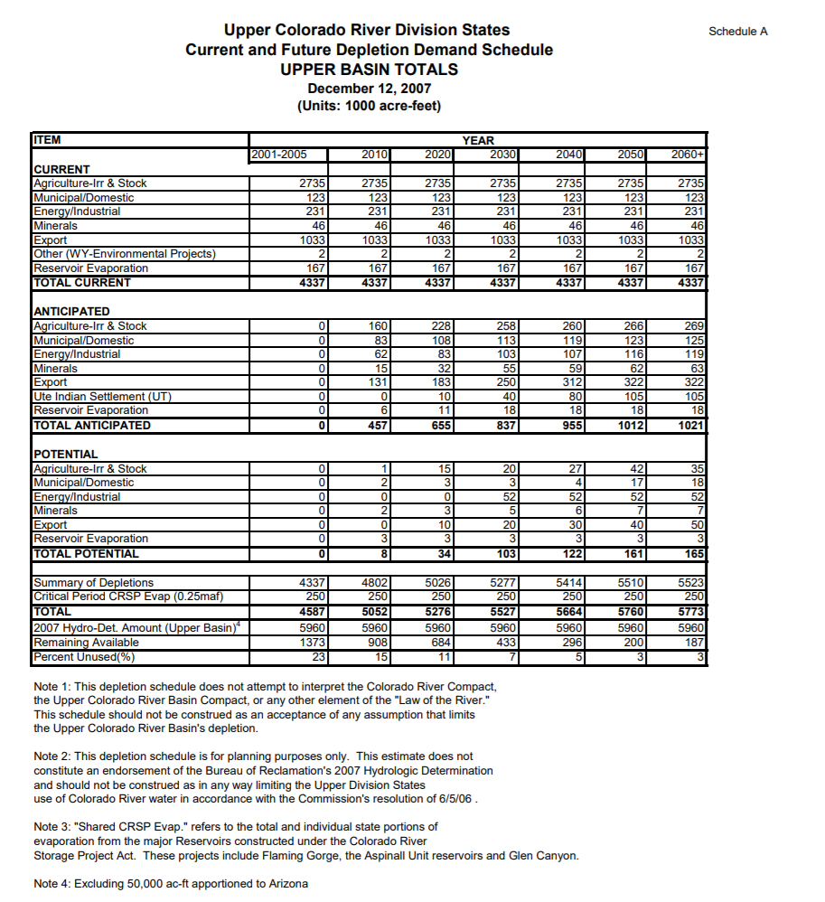
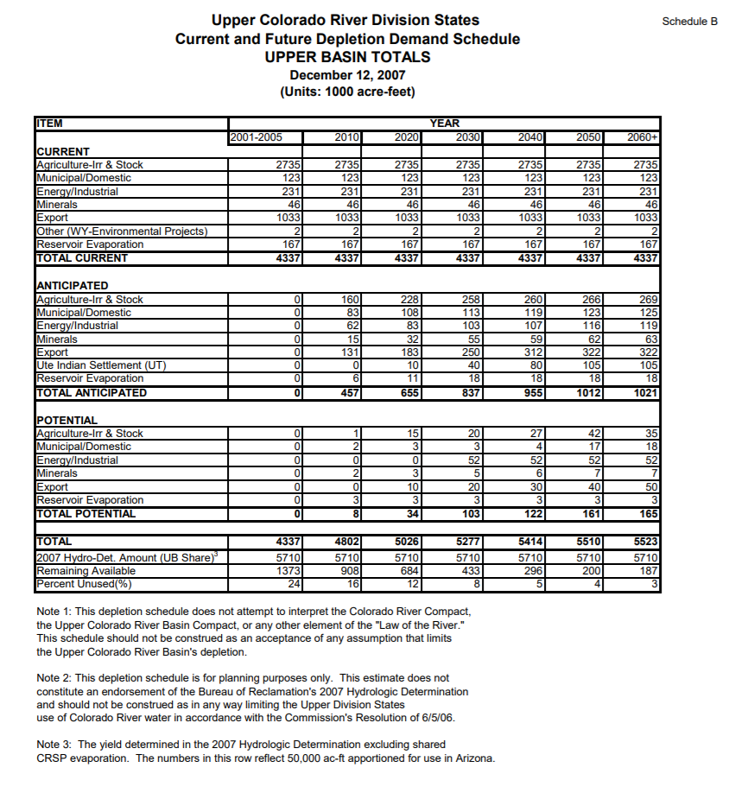
2023 | 5,101 | 5,351 | 250
2024 | 5,126 | 5,376 | 250
2025 | 5,152 | 5,402 | 250
2026 | 5,177 | 5,427 | 250
2027 | 5,202 | 5,452 | 250
2028 | 5,227 | 5,477 | 250
2029 | 5,252 | 5,502 | 250
2030 | 5,277 | 5,527 | 250
2031 | 5,291 | 5,541 | 250
2032 | 5,304 | 5,554 | 250
2033 | 5,318 | 5,568 | 250
2034 | 5,332 | 5,582 | 250
2035 | 5,345 | 5,595 | 250
2036 | 5,359 | 5,609 | 250
2037 | 5,373 | 5,623 | 250
2038 | 5,387 | 5,637 | 250
2039 | 5,400 | 5,650 | 250
2040 | 5,414 | 5,664 | 250
2041 | 5,424 | 5,674 | 250
2042 | 5,433 | 5,683 | 250
2043 | 5,443 | 5,693 | 250
2044 | 5,452 | 5,702 | 250
2045 | 5,462 | 5,712 | 250
2046 | 5,472 | 5,722 | 250
2047 | 5,481 | 5,731 | 250
2048 | 5,491 | 5,741 | 250
2049 | 5,500 | 5,750 | 250
2050 | 5,510 | 5,760 | 250
2051 | 5,511 | 5,761 | 250
2052 | 5,513 | 5,763 | 250
2053 | 5,514 | 5,764 | 250
2054 | 5,515 | 5,765 | 250
2055 | 5,517 | 5,767 | 250
2056 | 5,518 | 5,768 | 250
2057 | 5,519 | 5,769 | 250
2058 | 5,520 | 5,770 | 250
2059 | 5,522 | 5,772 | 250
2060 | 5,523 | 5,773 | 250

UCRC 2016
 | Depletions | CRSP evaporation | Guidance for this page
Yeaar | (KAF/ per year) | (KAF/ per year) | Data Range (G5 to K7) is copied from the following report. Data in Columns B and C is the liner interpolation results
2020 | 4,753 | 520
2021 | 4,774 | 520 |  | 2020 | 2030 | 2040 | 2050 | 2060
2022 | 4,795 | 520 | TOTAL Forecasted Depletions (KAF/ per year) | 4,753 | 4,963 | 5,165 | 5,368 | 5,428
2023 | 4,816 | 520 | Shared CRSP Evap (KAF/ per year) | 520 | 520 | 520 | 520 | 520
2024 | 4,837 | 520 | TOTAL (KAF/ per year) | 5,273 | 5,483 | 5,685 | 5,888 | 5,948
2025 | 4,858 | 520 | Gap between every 7 or 10 years (used for interpolation) |  | 210 | 202 | 203 | 60
2026 | 4,879 | 520
2027 | 4,900 | 520
2028 | 4,921 | 520 | Upper Colorado River Division States Current and Future Depletion Demand Schedule, December 31, 2016
2029 | 4,942 | 520 | http://www.ucrcommission.com/RepDoc/DepSchedules/CurFutDemandSchedule.pdf
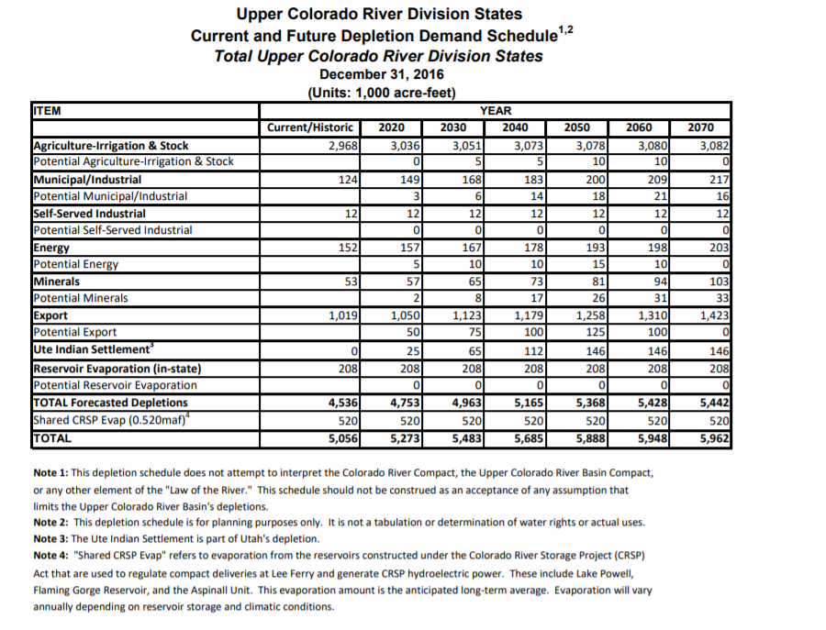
2030 | 4,963 | 520
2031 | 4,983 | 520
2032 | 5,003 | 520
2033 | 5,024 | 520
2034 | 5,044 | 520
2035 | 5,064 | 520
2036 | 5,084 | 520
2037 | 5,104 | 520
2038 | 5,125 | 520
2039 | 5,145 | 520
2040 | 5,165 | 520
2041 | 5,185 | 520
2042 | 5,206 | 520
2043 | 5,226 | 520
2044 | 5,246 | 520
2045 | 5,267 | 520
2046 | 5,287 | 520
2047 | 5,307 | 520
2048 | 5,327 | 520
2049 | 5,348 | 520
2050 | 5,368 | 520
2051 | 5,374 | 520
2052 | 5,380 | 520
2053 | 5,386 | 520
2054 | 5,392 | 520
2055 | 5,398 | 520
2056 | 5,404 | 520
2057 | 5,410 | 520
2058 | 5,416 | 520
2059 | 5,422 | 520
2060 | 5,428 | 520

BOR 1981
 |  |  |  |  | Guidance for this page
 | Depletions | Ten years gap | Evaporation | Total Upper Basin | Data Range (J7 to K10) is copied from the following report. Data in Columns B is the liner interpolation results
 | (KAF/per year) | (KAF/per year) | (KAF/per year) | (KAF/per year)
1980 | 3,462 | 766 | 520 | 3,982
1981 | 3,539 |  | 520 | 4,059 |  | Depletions | Evaporation
1982 | 3,615 |  | 520 | 4,135 |  | (KAF/ per year) | (KAF/per year)
1983 | 3,692 |  | 520 | 4,212 | 1980 | 3,462 | 520
1984 | 3,768 |  | 520 | 4,288 | 1990 | 4,228 | 520
1985 | 3,845 |  | 520 | 4,365 | 2000 | 4,795 | 520
1986 | 3,922 |  | 520 | 4,442 | 2010 | 5,123 | 520
1987 | 3,998 |  | 520 | 4,518
1988 | 4,075 |  | 520 | 4,595
1989 | 4,151 |  | 520 | 4,671 | USBR Projected Water Supply and Depletions Table - 1981
1990 | 4,228 | 567 | 520 | 4,748
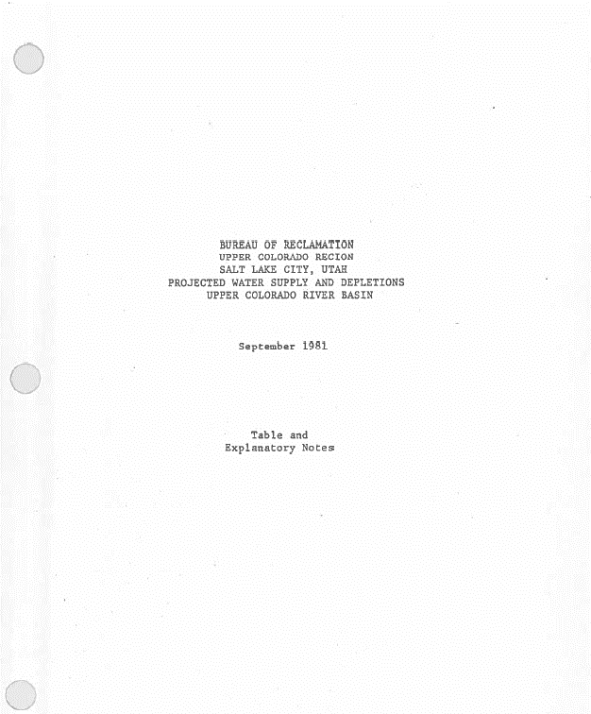
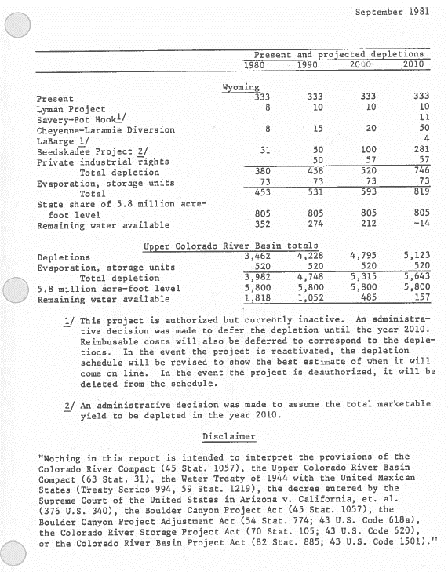
1991 | 4,285 |  | 520 | 4,805
1992 | 4,341 |  | 520 | 4,861
1993 | 4,398 |  | 520 | 4,918
1994 | 4,455 |  | 520 | 4,975
1995 | 4,511 |  | 520 | 5,031
1996 | 4,568 |  | 520 | 5,088
1997 | 4,625 |  | 520 | 5,145
1998 | 4,682 |  | 520 | 5,202
1999 | 4,738 |  | 520 | 5,258
2000 | 4,795 | 328 | 520 | 5,315
2001 | 4,828 |  | 520 | 5,348
2002 | 4,861 |  | 520 | 5,381
2003 | 4,893 |  | 520 | 5,413
2004 | 4,926 |  | 520 | 5,446
2005 | 4,959 |  | 520 | 5,479
2006 | 4,992 |  | 520 | 5,512
2007 | 5,025 |  | 520 | 5,545
2008 | 5,057 |  | 520 | 5,577
2009 | 5,090 |  | 520 | 5,610
2010 | 5,123 |  | 520 | 5,643

BOR 1984
 |  |  |  |  | Guidance for this page
 | Depletions | 7 or 10 years gap | Evaporation | Total Upper Basin | Data Range (H8 to I14) is copied from the following report. Data in Columns B is the liner interpolation results
 | (KAF/per year) | (KAF/per year) | (KAF/per year) | (KAF/per year)
1983 | 3,489 | 610 | 520 | 4,009
1984 | 3,576 |  | 520 | 4,096
1985 | 3,663 |  | 520 | 4,183 |  | Depletions | Evaporation
1986 | 3,750 |  | 520 | 4,270 |  | (KAF/ per year) | (KAF/per year)
1987 | 3,838 |  | 520 | 4,358 | 1983 | 3,489 | 520
1988 | 3,925 |  | 520 | 4,445 | 1990 | 4,099 | 520
1989 | 4,012 |  | 520 | 4,532 | 2000 | 4,677 | 520
1990 | 4,099 | 578 | 520 | 4,619 | 2010 | 4,870 | 520
1991 | 4,157 |  | 520 | 4,677 | 2020 | 5,005 | 520
1992 | 4,215 |  | 520 | 4,735 | 2030 | 5,099 | 520
1993 | 4,272 |  | 520 | 4,792 | 2040 | 5,280 | 520
1994 | 4,330 |  | 520 | 4,850
1995 | 4,388 |  | 520 | 4,908
1996 | 4,446 |  | 520 | 4,966
1997 | 4,504 |  | 520 | 5,024
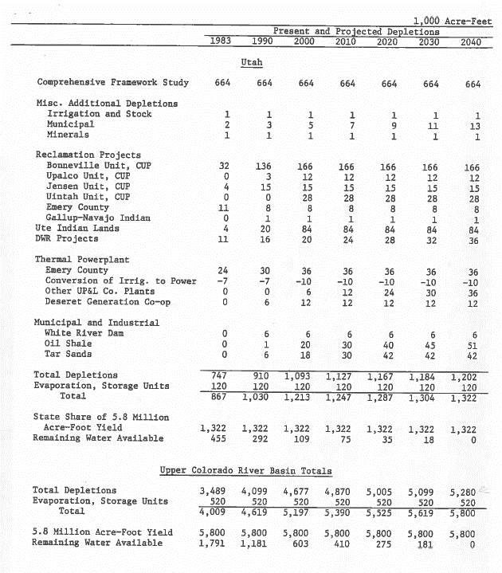
1998 | 4,561 |  | 520 | 5,081 | USBR Projected Water Supply and Depletions Table - 1984
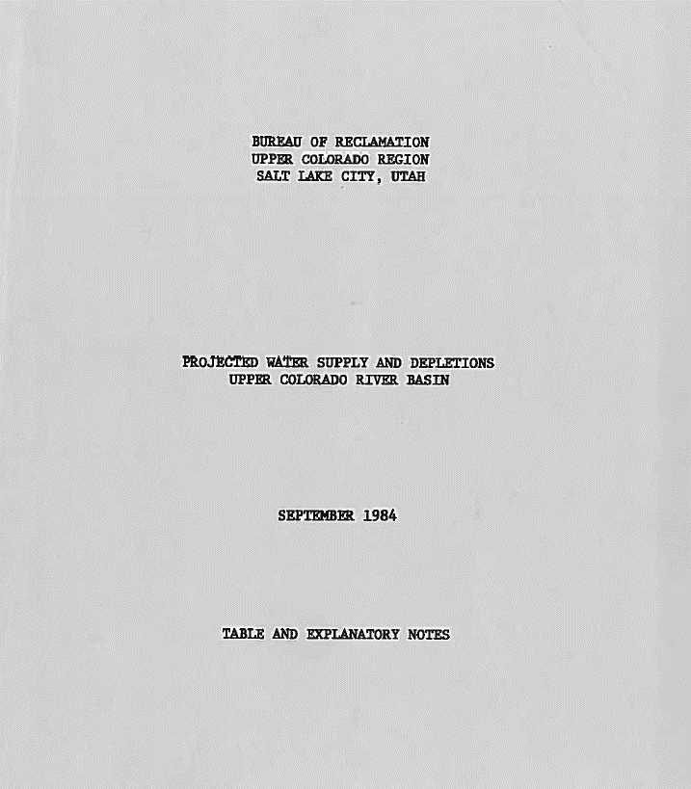
1999 | 4,619 |  | 520 | 5,139
2000 | 4,677 | 193 | 520 | 5,197
2001 | 4,696 |  | 520 | 5,216
2002 | 4,716 |  | 520 | 5,236
2003 | 4,735 |  | 520 | 5,255
2004 | 4,754 |  | 520 | 5,274
2005 | 4,774 |  | 520 | 5,294
2006 | 4,793 |  | 520 | 5,313
2007 | 4,812 |  | 520 | 5,332
2008 | 4,831 |  | 520 | 5,351
2009 | 4,851 |  | 520 | 5,371
2010 | 4,870 | 135 | 520 | 5,390
2011 | 4,884 |  | 520 | 5,404
2012 | 4,897 |  | 520 | 5,417
2013 | 4,911 |  | 520 | 5,431
2014 | 4,924 |  | 520 | 5,444
2015 | 4,938 |  | 520 | 5,458
2016 | 4,951 |  | 520 | 5,471
2017 | 4,965 |  | 520 | 5,485
2018 | 4,978 |  | 520 | 5,498
2019 | 4,992 |  | 520 | 5,512
2020 | 5,005 | 94 | 520 | 5,525
2021 | 5,014 |  | 520 | 5,534
2022 | 5,024 |  | 520 | 5,544
2023 | 5,033 |  | 520 | 5,553
2024 | 5,043 |  | 520 | 5,563
2025 | 5,052 |  | 520 | 5,572
2026 | 5,061 |  | 520 | 5,581
2027 | 5,071 |  | 520 | 5,591
2028 | 5,080 |  | 520 | 5,600
2029 | 5,090 |  | 520 | 5,610
2030 | 5,099 | 181 | 520 | 5,619
2031 | 5,117 |  | 520 | 5,637
2032 | 5,135 |  | 520 | 5,655
2033 | 5,153 |  | 520 | 5,673
2034 | 5,171 |  | 520 | 5,691
2035 | 5,190 |  | 520 | 5,710
2036 | 5,208 |  | 520 | 5,728
2037 | 5,226 |  | 520 | 5,746
2038 | 5,244 |  | 520 | 5,764
2039 | 5,262 |  | 520 | 5,782
2040 | 5,280 |  | 520 | 5,800

CRSP Gross Evaporation Plot
 | Total |  |  | Flaming Gorge, Blue Mesa, Morrow Point
Evaporation | lowest | midium | highest | lowest | medium | highest | Gross CRSS | CRSS 2007
Year | (MAF/per year) | (MAF/per year) | (MAF/per year) | (MAF/per year) | (MAF/per year) | (MAF/per year)
Historical CRSP Gross Evaporation with Different Estimated Rate
 | highest | medium | lowest | Flaming Gorge-Blue Mesa-Morrow Point-Lowest | Flaming Gorge-Blue Mesa-Morrow Point-Medium | Flaming Gorge-Blue Mesa-Morrow Point-High | Flaming Gorge-Blue Mesa-Morrow Point-CRSS Gross | Flaming Gorge-Blue Mesa-Morrow Point-CRSS 2007
1970 |  |  |  | 0.08 | 0.08 | 0.08 | 0.08 | 0.08
1971 | 0.87 | 0.66 | 0.49 | 0.09 | 0.09 | 0.09 | 0.09 | 0.09
1972 | 0.87 | 0.66 | 0.50 | 0.09 | 0.09 | 0.09 | 0.09 | 0.09
1973 | 0.96 | 0.73 | 0.54 | 0.09 | 0.09 | 0.09 | 0.09 | 0.09
1974 | 1.09 | 0.82 | 0.62 | 0.09 | 0.09 | 0.09 | 0.09 | 0.09
1975 | 1.13 | 0.85 | 0.64 | 0.09 | 0.09 | 0.09 | 0.09 | 0.09
1976 | 1.14 | 0.86 | 0.65 | 0.07 | 0.07 | 0.07 | 0.07 | 0.07
1977 | 1.02 | 0.76 | 0.57 | 0.08 | 0.08 | 0.08 | 0.08 | 0.08
1978 | 0.99 | 0.74 | 0.56 | 0.08 | 0.08 | 0.08 | 0.08 | 0.08
1979 | 1.14 | 0.85 | 0.64 | 0.08 | 0.08 | 0.08 | 0.08 | 0.08
1980 | 1.25 | 0.94 | 0.70 | 0.08 | 0.08 | 0.08 | 0.08 | 0.08
1981 | 1.19 | 0.89 | 0.66 | 0.09 | 0.09 | 0.09 | 0.09 | 0.09
1982 | 1.22 | 0.92 | 0.68 | 0.10 | 0.10 | 0.10 | 0.10 | 0.10
1983 | 1.32 | 0.99 | 0.74 | 0.09 | 0.09 | 0.09 | 0.09 | 0.09
1984 | 1.29 | 0.97 | 0.72 | 0.09 | 0.09 | 0.09 | 0.09 | 0.09
1985 | 1.27 | 0.96 | 0.71 | 0.09 | 0.09 | 0.09 | 0.09 | 0.09
1986 | 1.28 | 0.96 | 0.72 | 0.09 | 0.09 | 0.09 | 0.09 | 0.09
1987 | 1.28 | 0.96 | 0.72 | 0.09 | 0.09 | 0.09 | 0.09 | 0.09
1988 | 1.25 | 0.94 | 0.70 | 0.08 | 0.08 | 0.08 | 0.08 | 0.08
1989 | 1.16 | 0.87 | 0.65 | 0.08 | 0.08 | 0.08 | 0.08 | 0.08
1990 | 1.03 | 0.77 | 0.58 | 0.09 | 0.09 | 0.09 | 0.09 | 0.09
1991 | 0.96 | 0.73 | 0.55 | 0.09 | 0.09 | 0.09 | 0.09 | 0.09
1992 | 0.93 | 0.71 | 0.53 | 0.09 | 0.09 | 0.09 | 0.09 | 0.09
1993 | 1.07 | 0.81 | 0.60 | 0.08 | 0.08 | 0.08 | 0.08 | 0.08
1994 | 1.09 | 0.82 | 0.61 | 0.09 | 0.09 | 0.09 | 0.09 | 0.09
1995 | 1.19 | 0.90 | 0.67 | 0.09 | 0.09 | 0.09 | 0.09 | 0.09
1996 | 1.22 | 0.92 | 0.69 | 0.09 | 0.09 | 0.09 | 0.09 | 0.09
1997 | 1.24 | 0.94 | 0.70 | 0.09 | 0.09 | 0.09 | 0.09 | 0.09
1998 | 1.26 | 0.95 | 0.71 | 0.09 | 0.09 | 0.09 | 0.09 | 0.09
1999 | 1.26 | 0.95 | 0.71 | 0.09 | 0.09 | 0.09 | 0.09 | 0.09
2000 | 1.21 | 0.91 | 0.68 | 0.08 | 0.08 | 0.08 | 0.08 | 0.08
2001 | 1.13 | 0.85 | 0.64 | 0.08 | 0.08 | 0.08 | 0.08 | 0.08
2002 | 0.97 | 0.73 | 0.55 | 0.08 | 0.08 | 0.08 | 0.08 | 0.08
2003 | 0.85 | 0.64 | 0.48 | 0.08 | 0.08 | 0.08 | 0.08 | 0.08
2004 | 0.74 | 0.56 | 0.42 | 0.09 | 0.09 | 0.09 | 0.09 | 0.09
2005 | 0.79 | 0.60 | 0.46 | 0.09 | 0.09 | 0.09 | 0.09 | 0.09
2006 | 0.84 | 0.64 | 0.48 | 0.09 | 0.09 | 0.09 | 0.09 | 0.09
2007 | 0.84 | 0.64 | 0.48 | 0.08 | 0.08 | 0.08 | 0.08 | 0.08
2008 | 0.90 | 0.68 | 0.51 | 0.09 | 0.09 | 0.09 | 0.09 | 0.09
2009 | 0.96 | 0.73 | 0.55 | 0.09 | 0.09 | 0.09 | 0.09 | 0.09
2010 | 0.96 | 0.73 | 0.55 | 0.09 | 0.09 | 0.09 | 0.09 | 0.09
2011 | 1.01 | 0.77 | 0.57 | 0.08 | 0.08 | 0.08 | 0.08 | 0.08
2012 | 0.95 | 0.71 | 0.54 | 0.08 | 0.08 | 0.08 | 0.08 | 0.08
2013 | 0.80 | 0.61 | 0.46 | 0.09 | 0.09 | 0.09 | 0.09 | 0.09
2014 | 0.82 | 0.62 | 0.47 | 0.09 | 0.09 | 0.09 | 0.09 | 0.09
2015 | 0.85 | 0.65 | 0.49 | 0.09 | 0.09 | 0.09 | 0.09 | 0.09
2016 | 0.86 | 0.65 | 0.50 | 0.09 | 0.09 | 0.09 | 0.09 | 0.09
2017 | 0.92 | 0.70 | 0.53 | 0.09 | 0.09 | 0.09 | 0.09 | 0.09
2018 | 0.84 | 0.64 | 0.49
2019
...
1970
1971 | 0.49 | 0.66 | 0.87 | 0.08 | 0.08 | 0.08 | 0.08 | 0.08
1972 | 0.50 | 0.66 | 0.87 | 0.09 | 0.09 | 0.09 | 0.09 | 0.09
1973 | 0.54 | 0.73 | 0.96 | 0.09 | 0.09 | 0.09 | 0.09 | 0.09
1974 | 0.62 | 0.82 | 1.09 | 0.09 | 0.09 | 0.09 | 0.09 | 0.09
1975 | 0.64 | 0.85 | 1.13 | 0.09 | 0.09 | 0.09 | 0.09 | 0.09
1976 | 0.65 | 0.86 | 1.14 | 0.09 | 0.09 | 0.09 | 0.09 | 0.09
1977 | 0.57 | 0.76 | 1.02 | 0.07 | 0.07 | 0.07 | 0.07 | 0.07
1978 | 0.56 | 0.74 | 0.99 | 0.08 | 0.08 | 0.08 | 0.08 | 0.08
1979 | 0.64 | 0.85 | 1.14 | 0.08 | 0.08 | 0.08 | 0.08 | 0.08
1980 | 0.70 | 0.94 | 1.25 | 0.08 | 0.08 | 0.08 | 0.08 | 0.08
1981 | 0.66 | 0.89 | 1.19 | 0.08 | 0.08 | 0.08 | 0.08 | 0.08
1982 | 0.68 | 0.92 | 1.22 | 0.09 | 0.09 | 0.09 | 0.09 | 0.09
1983 | 0.74 | 0.99 | 1.32 | 0.10 | 0.10 | 0.10 | 0.10 | 0.10
1984 | 0.72 | 0.97 | 1.29 | 0.09 | 0.09 | 0.09 | 0.09 | 0.09
1985 | 0.71 | 0.96 | 1.27 | 0.09 | 0.09 | 0.09 | 0.09 | 0.09
1986 | 0.72 | 0.96 | 1.28 | 0.09 | 0.09 | 0.09 | 0.09 | 0.09
1987 | 0.72 | 0.96 | 1.28 | 0.09 | 0.09 | 0.09 | 0.09 | 0.09
1988 | 0.70 | 0.94 | 1.25 | 0.09 | 0.09 | 0.09 | 0.09 | 0.09
1989 | 0.65 | 0.87 | 1.16 | 0.08 | 0.08 | 0.08 | 0.08 | 0.08
1990 | 0.58 | 0.77 | 1.03 | 0.08 | 0.08 | 0.08 | 0.08 | 0.08
1991 | 0.55 | 0.73 | 0.96 | 0.09 | 0.09 | 0.09 | 0.09 | 0.09
1992 | 0.53 | 0.71 | 0.93 | 0.09 | 0.09 | 0.09 | 0.09 | 0.09
1993 | 0.60 | 0.81 | 1.07 | 0.09 | 0.09 | 0.09 | 0.09 | 0.09
1994 | 0.61 | 0.82 | 1.09 | 0.08 | 0.08 | 0.08 | 0.08 | 0.08
1995 | 0.67 | 0.90 | 1.19 | 0.09 | 0.09 | 0.09 | 0.09 | 0.09
1996 | 0.69 | 0.92 | 1.22 | 0.09 | 0.09 | 0.09 | 0.09 | 0.09
1997 | 0.70 | 0.94 | 1.24 | 0.09 | 0.09 | 0.09 | 0.09 | 0.09
1998 | 0.71 | 0.95 | 1.26 | 0.09 | 0.09 | 0.09 | 0.09 | 0.09
1999 | 0.71 | 0.95 | 1.26 | 0.09 | 0.09 | 0.09 | 0.09 | 0.09
2000 | 0.68 | 0.91 | 1.21 | 0.09 | 0.09 | 0.09 | 0.09 | 0.09
2001 | 0.64 | 0.85 | 1.13 | 0.08 | 0.08 | 0.08 | 0.08 | 0.08
2002 | 0.55 | 0.73 | 0.97 | 0.08 | 0.08 | 0.08 | 0.08 | 0.08
2003 | 0.48 | 0.64 | 0.85 | 0.08 | 0.08 | 0.08 | 0.08 | 0.08
2004 | 0.42 | 0.56 | 0.74 | 0.08 | 0.08 | 0.08 | 0.08 | 0.08
2005 | 0.46 | 0.60 | 0.79 | 0.09 | 0.09 | 0.09 | 0.09 | 0.09
2006 | 0.48 | 0.64 | 0.84 | 0.09 | 0.09 | 0.09 | 0.09 | 0.09
2007 | 0.48 | 0.64 | 0.84 | 0.09 | 0.09 | 0.09 | 0.09 | 0.09
2008 | 0.51 | 0.68 | 0.90 | 0.08 | 0.08 | 0.08 | 0.08 | 0.08
2009 | 0.55 | 0.73 | 0.96 | 0.09 | 0.09 | 0.09 | 0.09 | 0.09
2010 | 0.55 | 0.73 | 0.96 | 0.09 | 0.09 | 0.09 | 0.09 | 0.09
2011 | 0.57 | 0.77 | 1.01 | 0.09 | 0.09 | 0.09 | 0.09 | 0.09
2012 | 0.54 | 0.71 | 0.95 | 0.08 | 0.08 | 0.08 | 0.08 | 0.08
2013 | 0.46 | 0.61 | 0.80 | 0.08 | 0.08 | 0.08 | 0.08 | 0.08
2014 | 0.47 | 0.62 | 0.82 | 0.09 | 0.09 | 0.09 | 0.09 | 0.09
2015 | 0.49 | 0.65 | 0.85 | 0.09 | 0.09 | 0.09 | 0.09 | 0.09
2016 | 0.50 | 0.65 | 0.86 | 0.09 | 0.09 | 0.09 | 0.09 | 0.09
2017 | 0.53 | 0.70 | 0.92 | 0.09 | 0.09 | 0.09 | 0.09 | 0.09
2018 | 0.49 | 0.64 | 0.84 | 0.09 | 0.09 | 0.09 | 0.09 | 0.09
2019
2020

Historical Lake Powell Gross Evaporation with Different Estimated Rate
 | highest | medium | lowest
1970
1971 | 0.79 | 0.58 | 0.42
1972 | 0.79 | 0.57 | 0.41
1973 | 0.87 | 0.64 | 0.46
1974 | 1.00 | 0.73 | 0.53
1975 | 1.03 | 0.76 | 0.54
1976 | 1.05 | 0.77 | 0.55
1977 | 0.95 | 0.69 | 0.50
1978 | 0.91 | 0.67 | 0.48
1979 | 1.06 | 0.78 | 0.56
1980 | 1.17 | 0.86 | 0.62
1981 | 1.11 | 0.81 | 0.58
1982 | 1.13 | 0.83 | 0.59
1983 | 1.23 | 0.90 | 0.65
1984 | 1.20 | 0.88 | 0.63
1985 | 1.18 | 0.87 | 0.62
1986 | 1.19 | 0.87 | 0.63
1987 | 1.19 | 0.87 | 0.63
1988 | 1.17 | 0.86 | 0.62
1989 | 1.08 | 0.79 | 0.57
1990 | 0.94 | 0.69 | 0.50
1991 | 0.87 | 0.64 | 0.46
1992 | 0.85 | 0.62 | 0.45
1993 | 0.98 | 0.72 | 0.51
1994 | 1.00 | 0.74 | 0.53
1995 | 1.10 | 0.81 | 0.58
1996 | 1.13 | 0.83 | 0.60
1997 | 1.15 | 0.84 | 0.61
1998 | 1.17 | 0.86 | 0.62
1999 | 1.17 | 0.86 | 0.62
2000 | 1.12 | 0.82 | 0.59
2001 | 1.05 | 0.77 | 0.55
2002 | 0.90 | 0.66 | 0.47
2003 | 0.77 | 0.56 | 0.41
2004 | 0.66 | 0.48 | 0.35
2005 | 0.71 | 0.52 | 0.37
2006 | 0.75 | 0.55 | 0.39
2007 | 0.75 | 0.55 | 0.40
2008 | 0.82 | 0.60 | 0.43
2009 | 0.87 | 0.64 | 0.46
2010 | 0.87 | 0.64 | 0.46
2011 | 0.92 | 0.68 | 0.48
2012 | 0.86 | 0.63 | 0.45
2013 | 0.72 | 0.53 | 0.38
2014 | 0.73 | 0.54 | 0.38
2015 | 0.76 | 0.55 | 0.40
2016 | 0.77 | 0.57 | 0.41
2017 | 0.83 | 0.61 | 0.44
2018 | 0.75 | 0.55 | 0.40
2019
...
Evaporation | lowest | midium | highest
Year | (MAF/per year) | (MAF/per year) | (MAF/per year)
1970
1971 | 0.42 | 0.58 | 0.79
1972 | 0.41 | 0.57 | 0.79
1973 | 0.46 | 0.64 | 0.87
1974 | 0.53 | 0.73 | 1.00
1975 | 0.54 | 0.76 | 1.03
1976 | 0.55 | 0.77 | 1.05
1977 | 0.50 | 0.69 | 0.95
1978 | 0.48 | 0.67 | 0.91
1979 | 0.56 | 0.78 | 1.06
1980 | 0.62 | 0.86 | 1.17
1981 | 0.58 | 0.81 | 1.11
1982 | 0.59 | 0.83 | 1.13
1983 | 0.65 | 0.90 | 1.23
1984 | 0.63 | 0.88 | 1.20
1985 | 0.62 | 0.87 | 1.18
1986 | 0.63 | 0.87 | 1.19
1987 | 0.63 | 0.87 | 1.19
1988 | 0.62 | 0.86 | 1.17
1989 | 0.57 | 0.79 | 1.08
1990 | 0.50 | 0.69 | 0.94
1991 | 0.46 | 0.64 | 0.87
1992 | 0.45 | 0.62 | 0.85
1993 | 0.51 | 0.72 | 0.98
1994 | 0.53 | 0.74 | 1.00
1995 | 0.58 | 0.81 | 1.10
1996 | 0.60 | 0.83 | 1.13
1997 | 0.61 | 0.84 | 1.15
1998 | 0.62 | 0.86 | 1.17
1999 | 0.62 | 0.86 | 1.17
2000 | 0.59 | 0.82 | 1.12
2001 | 0.55 | 0.77 | 1.05
2002 | 0.47 | 0.66 | 0.90
2003 | 0.41 | 0.56 | 0.77
2004 | 0.35 | 0.48 | 0.66
2005 | 0.37 | 0.52 | 0.71
2006 | 0.39 | 0.55 | 0.75
2007 | 0.40 | 0.55 | 0.75
2008 | 0.43 | 0.60 | 0.82
2009 | 0.46 | 0.64 | 0.87
2010 | 0.46 | 0.64 | 0.87
2011 | 0.48 | 0.68 | 0.92
2012 | 0.45 | 0.63 | 0.86
2013 | 0.38 | 0.53 | 0.72
2014 | 0.38 | 0.54 | 0.73
2015 | 0.40 | 0.55 | 0.76
2016 | 0.41 | 0.57 | 0.77
2017 | 0.44 | 0.61 | 0.83
2018 | 0.40 | 0.55 | 0.75
2019
2020

Jacoby 1977 fig 16
Guidance for this page
1. Lake Powell elevation evaporation

 |  |  |  | Powell Gross Evap Rate from Fill Mead First report, table 2
 | Evaporation | Elevation | Area | URL | https://qcnr.usu.edu/coloradoriver/files/FillMeadFirst_Technical_Assessment.pdf
 | (KAF/year) | (feet) | (acre) |  | Gross evaporation rate (feet)
 | 933 | 3700 | 160784 |  | 5.8
 | 889 | 3690 | 153215.5
 | 845 | 3680 | 145647
 | 802 | 3670 | 138273
 | 759 | 3660 | 130899
 | 722 | 3650 | 124476.5
 | 685 | 3640 | 118054
 | 650 | 3630 | 111991.5
 | 614 | 3620 | 105929
 | 584 | 3610 | 100658
 | 553 | 3600 | 95387
 | 525 | 3590 | 90527
 | 497 | 3580 | 85667
 | 469 | 3570 | 80824
 | 441 | 3560 | 75981
 | 415 | 3550 | 71593.5
 | 390 | 3540 | 67206 | Elevation Area Table from CRSS
 | 367 | 3530 | 63341 | Elevation (feet) | area (acre)
 | 345 | 3520 | 59476 | 3370 | 20303
 | 324 | 3510 | 55931 | 3370.5 | 20392.95
 | 304 | 3500 | 52386 | 3371 | 20482.9
 | 286 | 3490 | 49330.5 | 3371.5 | 20572.85
 | 268 | 3480 | 46275 | 3372 | 20662.8
 | 251 | 3470 | 43318 | 3372.5 | 20752.75
 | 234 | 3460 | 40361 | 3373 | 20842.7
 | 218 | 3450 | 37530 | 3373.5 | 20932.65
 | 201 | 3440 | 34699 | 3374 | 21022.6
 | 188 | 3430 | 32372 | 3374.5 | 21112.55
 | 174 | 3420 | 30045 | 3375 | 21202.5
 | 163 | 3410 | 28053.5 | 3375.5 | 21292.45
 | 151 | 3400 | 26062 | 3376 | 21382.4
 | 140 | 3390 | 24082 | 3376.5 | 21472.35
 | 128 | 3380 | 22102 | 3377 | 21562.3
 | 118 | 3370 | 20303 | 3377.5 | 21652.25
 |  |  |  | 3378 | 21742.2
 |  |  |  | 3378.5 | 21832.15
 |  |  |  | 3379 | 21922.1
 |  |  |  | 3379.5 | 22012.05
 |  |  |  | 3380 | 22102
 |  |  |  | 3380.5 | 22201
 |  |  |  | 3381 | 22300
 |  |  |  | 3381.5 | 22399
 |  |  |  | 3382 | 22498
 |  |  |  | 3382.5 | 22597
 |  |  |  | 3383 | 22696
 |  |  |  | 3383.5 | 22795
 |  |  |  | 3384 | 22894
 |  |  |  | 3384.5 | 22993
 |  |  |  | 3385 | 23092
 |  |  |  | 3385.5 | 23191
 |  |  |  | 3386 | 23290
 |  |  |  | 3386.5 | 23389
 |  |  |  | 3387 | 23488
 |  |  |  | 3387.5 | 23587
 |  |  |  | 3388 | 23686
 |  |  |  | 3388.5 | 23785
 |  |  |  | 3389 | 23884
 |  |  |  | 3389.5 | 23983
 |  |  |  | 3390 | 24082
 |  |  |  | 3390.5 | 24181
 |  |  |  | 3391 | 24280
 |  |  |  | 3391.5 | 24379
 |  |  |  | 3392 | 24478
 |  |  |  | 3392.5 | 24577
 |  |  |  | 3393 | 24676
 |  |  |  | 3393.5 | 24775
 |  |  |  | 3394 | 24874
 |  |  |  | 3394.5 | 24973
 |  |  |  | 3395 | 25072
 |  |  |  | 3395.5 | 25171
 |  |  |  | 3396 | 25270
 |  |  |  | 3396.5 | 25369
 |  |  |  | 3397 | 25468
 |  |  |  | 3397.5 | 25567
 |  |  |  | 3398 | 25666
 |  |  |  | 3398.5 | 25765
 |  |  |  | 3399 | 25864
 |  |  |  | 3399.5 | 25963
 |  |  |  | 3400 | 26062
 |  |  |  | 3400.5 | 26161.57
 |  |  |  | 3401 | 26261.15
 |  |  |  | 3401.5 | 26360.72
 |  |  |  | 3402 | 26460.3
 |  |  |  | 3402.5 | 26559.87
 |  |  |  | 3403 | 26659.45
 |  |  |  | 3403.5 | 26759.02
 |  |  |  | 3404 | 26858.6
 |  |  |  | 3404.5 | 26958.17
 |  |  |  | 3405 | 27057.75
 |  |  |  | 3405.5 | 27157.32
 |  |  |  | 3406 | 27256.9
 |  |  |  | 3406.5 | 27356.47
 |  |  |  | 3407 | 27456.05
 |  |  |  | 3407.5 | 27555.62
 |  |  |  | 3408 | 27655.2
 |  |  |  | 3408.5 | 27754.77
 |  |  |  | 3409 | 27854.35
 |  |  |  | 3409.5 | 27953.92
 |  |  |  | 3410 | 28053.5
 |  |  |  | 3410.5 | 28153.07
 |  |  |  | 3411 | 28252.65
 |  |  |  | 3411.5 | 28352.22
 |  |  |  | 3412 | 28451.8
 |  |  |  | 3412.5 | 28551.37
 |  |  |  | 3413 | 28650.95
 |  |  |  | 3413.5 | 28750.52
 |  |  |  | 3414 | 28850.1
 |  |  |  | 3414.5 | 28949.67
 |  |  |  | 3415 | 29049.25
 |  |  |  | 3415.5 | 29148.82
 |  |  |  | 3416 | 29248.4
 |  |  |  | 3416.5 | 29347.97
 |  |  |  | 3417 | 29447.55
 |  |  |  | 3417.5 | 29547.12
 |  |  |  | 3418 | 29646.7
 |  |  |  | 3418.5 | 29746.27
 |  |  |  | 3419 | 29845.85
 |  |  |  | 3419.5 | 29945.42
 |  |  |  | 3420 | 30045
 |  |  |  | 3420.5 | 30161.35
 |  |  |  | 3421 | 30277.7
 |  |  |  | 3421.5 | 30394.05
 |  |  |  | 3422 | 30510.4
 |  |  |  | 3422.5 | 30626.75
 |  |  |  | 3423 | 30743.1
 |  |  |  | 3423.5 | 30859.45
 |  |  |  | 3424 | 30975.8
 |  |  |  | 3424.5 | 31092.15
 |  |  |  | 3425 | 31208.5
 |  |  |  | 3425.5 | 31324.85
 |  |  |  | 3426 | 31441.2
 |  |  |  | 3426.5 | 31557.55
 |  |  |  | 3427 | 31673.9
 |  |  |  | 3427.5 | 31790.25
 |  |  |  | 3428 | 31906.6
 |  |  |  | 3428.5 | 32022.95
 |  |  |  | 3429 | 32139.3
 |  |  |  | 3429.5 | 32255.65
 |  |  |  | 3430 | 32372
 |  |  |  | 3430.5 | 32488.35
 |  |  |  | 3431 | 32604.7
 |  |  |  | 3431.5 | 32721.05
 |  |  |  | 3432 | 32837.4
 |  |  |  | 3432.5 | 32953.75
 |  |  |  | 3433 | 33070.1
 |  |  |  | 3433.5 | 33186.45
 |  |  |  | 3434 | 33302.8
 |  |  |  | 3434.5 | 33419.15
 |  |  |  | 3435 | 33535.5
 |  |  |  | 3435.5 | 33651.85
 |  |  |  | 3436 | 33768.2
 |  |  |  | 3436.5 | 33884.55
 |  |  |  | 3437 | 34000.9
 |  |  |  | 3437.5 | 34117.25
 |  |  |  | 3438 | 34233.6
 |  |  |  | 3438.5 | 34349.95
 |  |  |  | 3439 | 34466.3
 |  |  |  | 3439.5 | 34582.65
 |  |  |  | 3440 | 34699
 |  |  |  | 3440.5 | 34840.55
 |  |  |  | 3441 | 34982.1
 |  |  |  | 3441.5 | 35123.65
 |  |  |  | 3442 | 35265.2
 |  |  |  | 3442.5 | 35406.75
 |  |  |  | 3443 | 35548.3
 |  |  |  | 3443.5 | 35689.85
 |  |  |  | 3444 | 35831.4
 |  |  |  | 3444.5 | 35972.95
 |  |  |  | 3445 | 36114.5
 |  |  |  | 3445.5 | 36256.05
 |  |  |  | 3446 | 36397.6
 |  |  |  | 3446.5 | 36539.15
 |  |  |  | 3447 | 36680.7
 |  |  |  | 3447.5 | 36822.25
 |  |  |  | 3448 | 36963.8
 |  |  |  | 3448.5 | 37105.35
 |  |  |  | 3449 | 37246.9
 |  |  |  | 3449.5 | 37388.45
 |  |  |  | 3450 | 37530
 |  |  |  | 3450.5 | 37671.55
 |  |  |  | 3451 | 37813.1
 |  |  |  | 3451.5 | 37954.65
 |  |  |  | 3452 | 38096.2
 |  |  |  | 3452.5 | 38237.75
 |  |  |  | 3453 | 38379.3
 |  |  |  | 3453.5 | 38520.85
 |  |  |  | 3454 | 38662.4
 |  |  |  | 3454.5 | 38803.95
 |  |  |  | 3455 | 38945.5
 |  |  |  | 3455.5 | 39087.05
 |  |  |  | 3456 | 39228.6
 |  |  |  | 3456.5 | 39370.15
 |  |  |  | 3457 | 39511.7
 |  |  |  | 3457.5 | 39653.25
 |  |  |  | 3458 | 39794.8
 |  |  |  | 3458.5 | 39936.35
 |  |  |  | 3459 | 40077.9
 |  |  |  | 3459.5 | 40219.45
 |  |  |  | 3460 | 40361
 |  |  |  | 3460.5 | 40508.85
 |  |  |  | 3461 | 40656.7
 |  |  |  | 3461.5 | 40804.55
 |  |  |  | 3462 | 40952.4
 |  |  |  | 3462.5 | 41100.25
 |  |  |  | 3463 | 41248.1
 |  |  |  | 3463.5 | 41395.95
 |  |  |  | 3464 | 41543.8
 |  |  |  | 3464.5 | 41691.65
 |  |  |  | 3465 | 41839.5
 |  |  |  | 3465.5 | 41987.35
 |  |  |  | 3466 | 42135.2
 |  |  |  | 3466.5 | 42283.05
 |  |  |  | 3467 | 42430.9
 |  |  |  | 3467.5 | 42578.75
 |  |  |  | 3468 | 42726.6
 |  |  |  | 3468.5 | 42874.45
 |  |  |  | 3469 | 43022.3
 |  |  |  | 3469.5 | 43170.15
 |  |  |  | 3470 | 43318
 |  |  |  | 3470.5 | 43465.85
 |  |  |  | 3471 | 43613.7
 |  |  |  | 3471.5 | 43761.55
 |  |  |  | 3472 | 43909.4
 |  |  |  | 3472.5 | 44057.25
 |  |  |  | 3473 | 44205.1
 |  |  |  | 3473.5 | 44352.95
 |  |  |  | 3474 | 44500.8
 |  |  |  | 3474.5 | 44648.65
 |  |  |  | 3475 | 44796.5
 |  |  |  | 3475.5 | 44944.35
 |  |  |  | 3476 | 45092.2
 |  |  |  | 3476.5 | 45240.05
 |  |  |  | 3477 | 45387.9
 |  |  |  | 3477.5 | 45535.75
 |  |  |  | 3478 | 45683.6
 |  |  |  | 3478.5 | 45831.45
 |  |  |  | 3479 | 45979.3
 |  |  |  | 3479.5 | 46127.15
 |  |  |  | 3480 | 46275
 |  |  |  | 3480.5 | 46427.77
 |  |  |  | 3481 | 46580.55
 |  |  |  | 3481.5 | 46733.32
 |  |  |  | 3482 | 46886.1
 |  |  |  | 3482.5 | 47038.87
 |  |  |  | 3483 | 47191.65
 |  |  |  | 3483.5 | 47344.42
 |  |  |  | 3484 | 47497.2
 |  |  |  | 3484.5 | 47649.97
 |  |  |  | 3485 | 47802.75
 |  |  |  | 3485.5 | 47955.52
 |  |  |  | 3486 | 48108.3
 |  |  |  | 3486.5 | 48261.07
 |  |  |  | 3487 | 48413.85
 |  |  |  | 3487.5 | 48566.62
 |  |  |  | 3488 | 48719.4
 |  |  |  | 3488.5 | 48872.17
 |  |  |  | 3489 | 49024.95
 |  |  |  | 3489.5 | 49177.72
 |  |  |  | 3490 | 49330.5
 |  |  |  | 3490.5 | 49483.27
 |  |  |  | 3491 | 49636.05
 |  |  |  | 3491.5 | 49788.82
 |  |  |  | 3492 | 49941.6
 |  |  |  | 3492.5 | 50094.37
 |  |  |  | 3493 | 50247.15
 |  |  |  | 3493.5 | 50399.92
 |  |  |  | 3494 | 50552.7
 |  |  |  | 3494.5 | 50705.47
 |  |  |  | 3495 | 50858.25
 |  |  |  | 3495.5 | 51011.02
 |  |  |  | 3496 | 51163.8
 |  |  |  | 3496.5 | 51316.57
 |  |  |  | 3497 | 51469.35
 |  |  |  | 3497.5 | 51622.12
 |  |  |  | 3498 | 51774.9
 |  |  |  | 3498.5 | 51927.67
 |  |  |  | 3499 | 52080.45
 |  |  |  | 3499.5 | 52233.22
 |  |  |  | 3500 | 52386
 |  |  |  | 3500.5 | 52563.25
 |  |  |  | 3501 | 52740.5
 |  |  |  | 3501.5 | 52917.75
 |  |  |  | 3502 | 53095
 |  |  |  | 3502.5 | 53272.25
 |  |  |  | 3503 | 53449.5
 |  |  |  | 3503.5 | 53626.75
 |  |  |  | 3504 | 53804
 |  |  |  | 3504.5 | 53981.25
 |  |  |  | 3505 | 54158.5
 |  |  |  | 3505.5 | 54335.75
 |  |  |  | 3506 | 54513
 |  |  |  | 3506.5 | 54690.25
 |  |  |  | 3507 | 54867.5
 |  |  |  | 3507.5 | 55044.75
 |  |  |  | 3508 | 55222
 |  |  |  | 3508.5 | 55399.25
 |  |  |  | 3509 | 55576.5
 |  |  |  | 3509.5 | 55753.75
 |  |  |  | 3510 | 55931
 |  |  |  | 3510.5 | 56108.25
 |  |  |  | 3511 | 56285.5
 |  |  |  | 3511.5 | 56462.75
 |  |  |  | 3512 | 56640
 |  |  |  | 3512.5 | 56817.25
 |  |  |  | 3513 | 56994.5
 |  |  |  | 3513.5 | 57171.75
 |  |  |  | 3514 | 57349
 |  |  |  | 3514.5 | 57526.25
 |  |  |  | 3515 | 57703.5
 |  |  |  | 3515.5 | 57880.75
 |  |  |  | 3516 | 58058
 |  |  |  | 3516.5 | 58235.25
 |  |  |  | 3517 | 58412.5
 |  |  |  | 3517.5 | 58589.75
 |  |  |  | 3518 | 58767
 |  |  |  | 3518.5 | 58944.25
 |  |  |  | 3519 | 59121.5
 |  |  |  | 3519.5 | 59298.75
 |  |  |  | 3520 | 59476
 |  |  |  | 3520.5 | 59669.25
 |  |  |  | 3521 | 59862.5
 |  |  |  | 3521.5 | 60055.75
 |  |  |  | 3522 | 60249
 |  |  |  | 3522.5 | 60442.25
 |  |  |  | 3523 | 60635.5
 |  |  |  | 3523.5 | 60828.75
 |  |  |  | 3524 | 61022
 |  |  |  | 3524.5 | 61215.25
 |  |  |  | 3525 | 61408.5
 |  |  |  | 3525.5 | 61601.75
 |  |  |  | 3526 | 61795
 |  |  |  | 3526.5 | 61988.25
 |  |  |  | 3527 | 62181.5
 |  |  |  | 3527.5 | 62374.75
 |  |  |  | 3528 | 62568
 |  |  |  | 3528.5 | 62761.25
 |  |  |  | 3529 | 62954.5
 |  |  |  | 3529.5 | 63147.75
 |  |  |  | 3530 | 63341
 |  |  |  | 3530.5 | 63534.25
 |  |  |  | 3531 | 63727.5
 |  |  |  | 3531.5 | 63920.75
 |  |  |  | 3532 | 64114
 |  |  |  | 3532.5 | 64307.25
 |  |  |  | 3533 | 64500.5
 |  |  |  | 3533.5 | 64693.75
 |  |  |  | 3534 | 64887
 |  |  |  | 3534.5 | 65080.25
 |  |  |  | 3535 | 65273.5
 |  |  |  | 3535.5 | 65466.75
 |  |  |  | 3536 | 65660
 |  |  |  | 3536.5 | 65853.25
 |  |  |  | 3537 | 66046.5
 |  |  |  | 3537.5 | 66239.75
 |  |  |  | 3538 | 66433
 |  |  |  | 3538.5 | 66626.25
 |  |  |  | 3539 | 66819.5
 |  |  |  | 3539.5 | 67012.75
 |  |  |  | 3540 | 67206
 |  |  |  | 3540.5 | 67425.37
 |  |  |  | 3541 | 67644.75
 |  |  |  | 3541.5 | 67864.12
 |  |  |  | 3542 | 68083.5
 |  |  |  | 3542.5 | 68302.87
 |  |  |  | 3543 | 68522.25
 |  |  |  | 3543.5 | 68741.62
 |  |  |  | 3544 | 68961
 |  |  |  | 3544.5 | 69180.37
 |  |  |  | 3545 | 69399.75
 |  |  |  | 3545.5 | 69619.12
 |  |  |  | 3546 | 69838.5
 |  |  |  | 3546.5 | 70057.87
 |  |  |  | 3547 | 70277.25
 |  |  |  | 3547.5 | 70496.62
 |  |  |  | 3548 | 70716
 |  |  |  | 3548.5 | 70935.37
 |  |  |  | 3549 | 71154.75
 |  |  |  | 3549.5 | 71374.12
 |  |  |  | 3550 | 71593.5
 |  |  |  | 3550.5 | 71812.87
 |  |  |  | 3551 | 72032.25
 |  |  |  | 3551.5 | 72251.62
 |  |  |  | 3552 | 72471
 |  |  |  | 3552.5 | 72690.37
 |  |  |  | 3553 | 72909.75
 |  |  |  | 3553.5 | 73129.12
 |  |  |  | 3554 | 73348.5
 |  |  |  | 3554.5 | 73567.87
 |  |  |  | 3555 | 73787.25
 |  |  |  | 3555.5 | 74006.62
 |  |  |  | 3556 | 74226
 |  |  |  | 3556.5 | 74445.37
 |  |  |  | 3557 | 74664.75
 |  |  |  | 3557.5 | 74884.12
 |  |  |  | 3558 | 75103.5
 |  |  |  | 3558.5 | 75322.87
 |  |  |  | 3559 | 75542.25
 |  |  |  | 3559.5 | 75761.62
 |  |  |  | 3560 | 75981
 |  |  |  | 3560.5 | 76223.15
 |  |  |  | 3561 | 76465.3
 |  |  |  | 3561.5 | 76707.45
 |  |  |  | 3562 | 76949.6
 |  |  |  | 3562.5 | 77191.75
 |  |  |  | 3563 | 77433.9
 |  |  |  | 3563.5 | 77676.05
 |  |  |  | 3564 | 77918.2
 |  |  |  | 3564.5 | 78160.35
 |  |  |  | 3565 | 78402.5
 |  |  |  | 3565.5 | 78644.65
 |  |  |  | 3566 | 78886.8
 |  |  |  | 3566.5 | 79128.95
 |  |  |  | 3567 | 79371.1
 |  |  |  | 3567.5 | 79613.25
 |  |  |  | 3568 | 79855.4
 |  |  |  | 3568.5 | 80097.55
 |  |  |  | 3569 | 80339.7
 |  |  |  | 3569.5 | 80581.85
 |  |  |  | 3570 | 80824
 |  |  |  | 3570.5 | 81066.15
 |  |  |  | 3571 | 81308.3
 |  |  |  | 3571.5 | 81550.45
 |  |  |  | 3572 | 81792.6
 |  |  |  | 3572.5 | 82034.75
 |  |  |  | 3573 | 82276.9
 |  |  |  | 3573.5 | 82519.05
 |  |  |  | 3574 | 82761.2
 |  |  |  | 3574.5 | 83003.35
 |  |  |  | 3575 | 83245.5
 |  |  |  | 3575.5 | 83487.65
 |  |  |  | 3576 | 83729.8
 |  |  |  | 3576.5 | 83971.95
 |  |  |  | 3577 | 84214.1
 |  |  |  | 3577.5 | 84456.25
 |  |  |  | 3578 | 84698.4
 |  |  |  | 3578.5 | 84940.55
 |  |  |  | 3579 | 85182.7
 |  |  |  | 3579.5 | 85424.85
 |  |  |  | 3580 | 85667
 |  |  |  | 3580.5 | 85910
 |  |  |  | 3581 | 86153
 |  |  |  | 3581.5 | 86396
 |  |  |  | 3582 | 86639
 |  |  |  | 3582.5 | 86882
 |  |  |  | 3583 | 87125
 |  |  |  | 3583.5 | 87368
 |  |  |  | 3584 | 87611
 |  |  |  | 3584.5 | 87854
 |  |  |  | 3585 | 88097
 |  |  |  | 3585.5 | 88340
 |  |  |  | 3586 | 88583
 |  |  |  | 3586.5 | 88826
 |  |  |  | 3587 | 89069
 |  |  |  | 3587.5 | 89312
 |  |  |  | 3588 | 89555
 |  |  |  | 3588.5 | 89798
 |  |  |  | 3589 | 90041
 |  |  |  | 3589.5 | 90284
 |  |  |  | 3590 | 90527
 |  |  |  | 3590.5 | 90770
 |  |  |  | 3591 | 91013
 |  |  |  | 3591.5 | 91256
 |  |  |  | 3592 | 91499
 |  |  |  | 3592.5 | 91742
 |  |  |  | 3593 | 91985
 |  |  |  | 3593.5 | 92228
 |  |  |  | 3594 | 92471
 |  |  |  | 3594.5 | 92714
 |  |  |  | 3595 | 92957
 |  |  |  | 3595.5 | 93200
 |  |  |  | 3596 | 93443
 |  |  |  | 3596.5 | 93686
 |  |  |  | 3597 | 93929
 |  |  |  | 3597.5 | 94172
 |  |  |  | 3598 | 94415
 |  |  |  | 3598.5 | 94658
 |  |  |  | 3599 | 94901
 |  |  |  | 3599.5 | 95144
 |  |  |  | 3600 | 95387
 |  |  |  | 3600.5 | 95650.55
 |  |  |  | 3601 | 95914.1
 |  |  |  | 3601.5 | 96177.65
 |  |  |  | 3602 | 96441.2
 |  |  |  | 3602.5 | 96704.75
 |  |  |  | 3603 | 96968.3
 |  |  |  | 3603.5 | 97231.85
 |  |  |  | 3604 | 97495.4
 |  |  |  | 3604.5 | 97758.95
 |  |  |  | 3605 | 98022.5
 |  |  |  | 3605.5 | 98286.05
 |  |  |  | 3606 | 98549.6
 |  |  |  | 3606.5 | 98813.15
 |  |  |  | 3607 | 99076.7
 |  |  |  | 3607.5 | 99340.25
 |  |  |  | 3608 | 99603.8
 |  |  |  | 3608.5 | 99867.35
 |  |  |  | 3609 | 100130.9
 |  |  |  | 3609.5 | 100394.45
 |  |  |  | 3610 | 100658
 |  |  |  | 3610.5 | 100921.55
 |  |  |  | 3611 | 101185.1
 |  |  |  | 3611.5 | 101448.65
 |  |  |  | 3612 | 101712.2
 |  |  |  | 3612.5 | 101975.75
 |  |  |  | 3613 | 102239.3
 |  |  |  | 3613.5 | 102502.85
 |  |  |  | 3614 | 102766.4
 |  |  |  | 3614.5 | 103029.95
 |  |  |  | 3615 | 103293.5
 |  |  |  | 3615.5 | 103557.05
 |  |  |  | 3616 | 103820.6
 |  |  |  | 3616.5 | 104084.15
 |  |  |  | 3617 | 104347.7
 |  |  |  | 3617.5 | 104611.25
 |  |  |  | 3618 | 104874.8
 |  |  |  | 3618.5 | 105138.35
 |  |  |  | 3619 | 105401.9
 |  |  |  | 3619.5 | 105665.45
 |  |  |  | 3620 | 105929
 |  |  |  | 3620.5 | 106232.12
 |  |  |  | 3621 | 106535.25
 |  |  |  | 3621.5 | 106838.37
 |  |  |  | 3622 | 107141.5
 |  |  |  | 3622.5 | 107444.62
 |  |  |  | 3623 | 107747.75
 |  |  |  | 3623.5 | 108050.87
 |  |  |  | 3624 | 108354
 |  |  |  | 3624.5 | 108657.12
 |  |  |  | 3625 | 108960.25
 |  |  |  | 3625.5 | 109263.37
 |  |  |  | 3626 | 109566.5
 |  |  |  | 3626.5 | 109869.62
 |  |  |  | 3627 | 110172.75
 |  |  |  | 3627.5 | 110475.87
 |  |  |  | 3628 | 110779
 |  |  |  | 3628.5 | 111082.12
 |  |  |  | 3629 | 111385.25
 |  |  |  | 3629.5 | 111688.37
 |  |  |  | 3630 | 111991.5
 |  |  |  | 3630.5 | 112294.62
 |  |  |  | 3631 | 112597.75
 |  |  |  | 3631.5 | 112900.87
 |  |  |  | 3632 | 113204
 |  |  |  | 3632.5 | 113507.12
 |  |  |  | 3633 | 113810.25
 |  |  |  | 3633.5 | 114113.37
 |  |  |  | 3634 | 114416.5
 |  |  |  | 3634.5 | 114719.62
 |  |  |  | 3635 | 115022.75
 |  |  |  | 3635.5 | 115325.87
 |  |  |  | 3636 | 115629
 |  |  |  | 3636.5 | 115932.12
 |  |  |  | 3637 | 116235.25
 |  |  |  | 3637.5 | 116538.37
 |  |  |  | 3638 | 116841.5
 |  |  |  | 3638.5 | 117144.62
 |  |  |  | 3639 | 117447.75
 |  |  |  | 3639.5 | 117750.87
 |  |  |  | 3640 | 118054
 |  |  |  | 3640.5 | 118375.12
 |  |  |  | 3641 | 118696.25
 |  |  |  | 3641.5 | 119017.37
 |  |  |  | 3642 | 119338.5
 |  |  |  | 3642.5 | 119659.62
 |  |  |  | 3643 | 119980.75
 |  |  |  | 3643.5 | 120301.87
 |  |  |  | 3644 | 120623
 |  |  |  | 3644.5 | 120944.12
 |  |  |  | 3645 | 121265.25
 |  |  |  | 3645.5 | 121586.37
 |  |  |  | 3646 | 121907.5
 |  |  |  | 3646.5 | 122228.62
 |  |  |  | 3647 | 122549.75
 |  |  |  | 3647.5 | 122870.87
 |  |  |  | 3648 | 123192
 |  |  |  | 3648.5 | 123513.12
 |  |  |  | 3649 | 123834.25
 |  |  |  | 3649.5 | 124155.37
 |  |  |  | 3650 | 124476.5
 |  |  |  | 3650.5 | 124797.62
 |  |  |  | 3651 | 125118.75
 |  |  |  | 3651.5 | 125439.87
 |  |  |  | 3652 | 125761
 |  |  |  | 3652.5 | 126082.12
 |  |  |  | 3653 | 126403.25
 |  |  |  | 3653.5 | 126724.37
 |  |  |  | 3654 | 127045.5
 |  |  |  | 3654.5 | 127366.62
 |  |  |  | 3655 | 127687.75
 |  |  |  | 3655.5 | 128008.87
 |  |  |  | 3656 | 128330
 |  |  |  | 3656.5 | 128651.12
 |  |  |  | 3657 | 128972.25
 |  |  |  | 3657.5 | 129293.37
 |  |  |  | 3658 | 129614.5
 |  |  |  | 3658.5 | 129935.62
 |  |  |  | 3659 | 130256.75
 |  |  |  | 3659.5 | 130577.87
 |  |  |  | 3660 | 130899
 |  |  |  | 3660.5 | 131267.7
 |  |  |  | 3661 | 131636.4
 |  |  |  | 3661.5 | 132005.1
 |  |  |  | 3662 | 132373.8
 |  |  |  | 3662.5 | 132742.5
 |  |  |  | 3663 | 133111.2
 |  |  |  | 3663.5 | 133479.9
 |  |  |  | 3664 | 133848.6
 |  |  |  | 3664.5 | 134217.3
 |  |  |  | 3665 | 134586
 |  |  |  | 3665.5 | 134954.7
 |  |  |  | 3666 | 135323.4
 |  |  |  | 3666.5 | 135692.1
 |  |  |  | 3667 | 136060.8
 |  |  |  | 3667.5 | 136429.5
 |  |  |  | 3668 | 136798.2
 |  |  |  | 3668.5 | 137166.9
 |  |  |  | 3669 | 137535.6
 |  |  |  | 3669.5 | 137904.3
 |  |  |  | 3670 | 138273
 |  |  |  | 3670.5 | 138641.7
 |  |  |  | 3671 | 139010.4
 |  |  |  | 3671.5 | 139379.1
 |  |  |  | 3672 | 139747.8
 |  |  |  | 3672.5 | 140116.5
 |  |  |  | 3673 | 140485.2
 |  |  |  | 3673.5 | 140853.9
 |  |  |  | 3674 | 141222.6
 |  |  |  | 3674.5 | 141591.3
 |  |  |  | 3675 | 141960
 |  |  |  | 3675.5 | 142328.7
 |  |  |  | 3676 | 142697.4
 |  |  |  | 3676.5 | 143066.1
 |  |  |  | 3677 | 143434.8
 |  |  |  | 3677.5 | 143803.5
 |  |  |  | 3678 | 144172.2
 |  |  |  | 3678.5 | 144540.9
 |  |  |  | 3679 | 144909.6
 |  |  |  | 3679.5 | 145278.3
 |  |  |  | 3680 | 145647
 |  |  |  | 3680.5 | 146025.42
 |  |  |  | 3681 | 146403.85
 |  |  |  | 3681.5 | 146782.27
 |  |  |  | 3682 | 147160.7
 |  |  |  | 3682.5 | 147539.12
 |  |  |  | 3683 | 147917.55
 |  |  |  | 3683.5 | 148295.97
 |  |  |  | 3684 | 148674.4
 |  |  |  | 3684.5 | 149052.82
 |  |  |  | 3685 | 149431.25
 |  |  |  | 3685.5 | 149809.67
 |  |  |  | 3686 | 150188.1
 |  |  |  | 3686.5 | 150566.52
 |  |  |  | 3687 | 150944.95
 |  |  |  | 3687.5 | 151323.37
 |  |  |  | 3688 | 151701.8
 |  |  |  | 3688.5 | 152080.22
 |  |  |  | 3689 | 152458.65
 |  |  |  | 3689.5 | 152837.07
 |  |  |  | 3690 | 153215.5
 |  |  |  | 3690.5 | 153593.92
 |  |  |  | 3691 | 153972.35
 |  |  |  | 3691.5 | 154350.77
 |  |  |  | 3692 | 154729.2
 |  |  |  | 3692.5 | 155107.62
 |  |  |  | 3693 | 155486.05
 |  |  |  | 3693.5 | 155864.47
 |  |  |  | 3694 | 156242.9
 |  |  |  | 3694.5 | 156621.32
 |  |  |  | 3695 | 156999.75
 |  |  |  | 3695.5 | 157378.17
 |  |  |  | 3696 | 157756.6
 |  |  |  | 3696.5 | 158135.02
 |  |  |  | 3697 | 158513.45
 |  |  |  | 3697.5 | 158891.87
 |  |  |  | 3698 | 159270.3
 |  |  |  | 3698.5 | 159648.72
 |  |  |  | 3699 | 160027.15
 |  |  |  | 3699.5 | 160405.57
 |  |  |  | 3700 | 160784
 |  |  |  | 3700.5 | 161191.12
 |  |  |  | 3701 | 161598.25
 |  |  |  | 3701.5 | 162005.37
 |  |  |  | 3702 | 162412.5
 |  |  |  | 3702.5 | 162819.62
 |  |  |  | 3703 | 163226.75
 |  |  |  | 3703.5 | 163633.87
 |  |  |  | 3704 | 164041
 |  |  |  | 3704.5 | 164448.12
 |  |  |  | 3705 | 164855.25
 |  |  |  | 3705.5 | 165262.37
 |  |  |  | 3706 | 165669.5
 |  |  |  | 3706.5 | 166076.62
 |  |  |  | 3707 | 166483.75
 |  |  |  | 3707.5 | 166890.87
 |  |  |  | 3708 | 167298
 |  |  |  | 3708.5 | 167705.12
 |  |  |  | 3709 | 168112.25
 |  |  |  | 3709.5 | 168519.37
 |  |  |  | 3710 | 168926.5
 |  |  |  | 3710.5 | 169333.62
 |  |  |  | 3711 | 169740.75
 |  |  |  | 3711.5 | 170147.87
 |  |  |  | 3800 | 250000

